EDA
order_id | user_id | order_date | product_id | category | price | quantity | discount | payment_method | delivery_status | country | device | total | total_fact - numeric | month_period | Preliminary findings
6a46721a-cffa-4cdd-b963-a7efe00111e5 | 68adc28f-8463-416a-be65-6befe0efc989 | 2023-01-01 | 74758302 | Toys | 5,768.00 | 2 | 8.00% | PayPal | Cancelled | India | Desktop | 10,613.12 |  | 2023-01-01 | 1. The 'SUM of total_fact by category' pie chart indicates that Toys and Books represent the largest sales segments.
ac825818-960d-4788-be1e-165decadbb86 | a7838837-3c74-4bc2-8504-644fa5dc7c7b | 2023-01-01 | 16380264 | Electronics | 1,059.00 | 3 | 17.00% | PayPal | Returned | India | Desktop | 2,636.91 |  | 2023-01-01 | 2. The 'SUM of total_fact by country' pie chart shows that India accounts for the highest volume of sales.
70f8dd99-5217-4eb7-a6b9-20daba6a098f | 1aac3ca1-920c-404e-8063-d5251152797e | 2023-01-03 | 66042259 | Home | 135.00 | 1 | 16.00% | Credit Card | Pending | UK | Tablet | 113.40 |  | 2023-01-03 | 3. The chart demonstrates steady profitability throughout 2023, fluctuating within the 40,000–60,000 range. Consequently, no monthly anomalies are observed.
cff4c56b-f9ea-4c64-8c41-7e7cd741d609 | de5fe0ee-8010-4500-9ae5-253066b48fc6 | 2023-01-04 | 3746622 | Toys | 3,020.00 | 4 | 6.00% | Bank Transfer | Delivered | France | Desktop | 11,355.20 | 11,355.20 | 2023-01-04 | 4. The box plot indicates that the average order value (AOV) typically ranges between 5,000 and 15,000. There are slight positive outliers, as the mean exceeds the median. A more detailed analysis is required to identify which products and countries exceed the third quartile. There is a customer segment with an average transaction value above the overall mean, suggesting opportunities for average check optimization and the identification of VIP clients.
9f312acb-2362-4bc1-8024-532000cbd313 | 240eb6c1-c5cf-455f-a78d-b4f648df480e | 2023-01-04 | 50978960 | Books | 3,110.00 | 3 | 19.00% | COD | Delivered | USA | Tablet | 7,557.30 | 7,557.30 | 2023-01-04 | 5. The successful order rate is equal to the cancellation rate at 0.23, which is only 0.04 lower than the return rate. This indicates a very low success metric. Furthermore, the lost revenue ratio stands at 54%. Consequently, it is necessary to analyze the root causes of returns and cancellations, broken down by country and product category. We must identify at which stage and for what reasons orders are being canceled or returned. Additionally, a competitive price analysis should be conducted.
1519401c-8b1f-4137-8ea2-55e08e50c79a | ca92720a-c2e8-4ae2-b1f0-e15089419b16 | 2023-01-04 | 56501100 | Books | 606.00 | 2 | 6.00% | PayPal | Pending | Germany | Tablet | 1,139.28 |  | 2023-01-04 | 6. Key Questions: Why is the success rate so low? What is driving the high return rate? What are the underlying causes of the high cancellation rate?
be3feafd-0e96-4d9b-9d15-8e442fcf3b87 | 65578e91-bee5-464d-be37-355efbdc678a | 2023-01-05 | 88183862 | Clothing | 2,170.00 | 2 | 9.00% | COD | Delivered | Germany | Mobile | 3,949.40 | 3,949.40 | 2023-01-05
37d316a4-3faf-4217-aa27-241fbb9e5a02 | 0654f465-b311-49c4-9d86-fd12c8359b91 | 2023-01-05 | 38848322 | Clothing | 7,549.00 | 2 | 17.00% | COD | Returned | USA | Tablet | 12,531.34 |  | 2023-01-05 |  | total_fact |  | MIN | Q1 | Q3 | MAX
c81236e6-ec77-4fc8-b38e-5adba93fa902 | 45ffa36b-63c2-423d-8b32-bc8635d5870d | 2023-01-05 | 98230716 | Books | 1,510.00 | 4 | 19.00% | COD | Delivered | India | Tablet | 4,892.40 | 4,892.40 | 2023-01-05 | AVG | 11,104.47 | boxplot | 141.81 | 5,018.16 | 15,888.12 | 34,955.64
bad3116b-63b8-4897-bdf0-fe6bce8d75f2 | 6282c33d-3665-46a5-a34d-a412816a5ea8 | 2023-01-06 | 33200743 | Home | 3,779.00 | 3 | 12.00% | PayPal | Cancelled | France | Mobile | 9,976.56 |  | 2023-01-06 | MED | 8,235.26
Boxplot for total_fact
7e15aa2c-07b6-428f-8e98-ce2517337a7c | d112460c-bba1-4642-b4a8-bcd354b7e75b | 2023-01-07 | 4887591 | Books | 6,430.00 | 4 | 9.00% | Credit Card | Returned | USA | Tablet | 23,405.20 |  | 2023-01-07 | MIN | 141.81
27be0381-6544-497d-a078-9f97213c121c | 50ed6af2-235f-4be1-b8b5-5fb556d1079c | 2023-01-08 | 15665324 | Electronics | 829.00 | 1 | 17.00% | Credit Card | Returned | India | Tablet | 688.07 |  | 2023-01-08 | MAX | 34,955.64
62d59938-571c-4d78-8429-aeae877e5ea1 | 5da23c06-f146-4080-8a2c-f6a95bd38392 | 2023-01-08 | 5597376 | Home | 830.00 | 4 | 19.00% | PayPal | Delivered | UK | Mobile | 2,689.20 | 2,689.20 | 2023-01-08 | SUM | 1,565,730.14
b4862b21-fb97-4435-8856-1712e8e5216a | 19365f61-f484-478d-9bc9-e8895567a84c | 2023-01-10 | 60271426 | Home | 2,665.00 | 3 | 6.00% | PayPal | Delivered | India | Desktop | 7,515.30 | 7,515.30 | 2023-01-10
a4e695c9-b65d-4226-be96-9cf3a7c5cb87 | b325442c-8eeb-4fd8-a783-b0c3dcae667e | 2023-01-12 | 47025271 | Clothing | 7,310.00 | 2 | 10.00% | PayPal | Cancelled | Germany | Desktop | 13,158.00 |  | 2023-01-12 | Q1 | 5,018.16
5a4f4145-fc98-4279-8f6f-111c26c06e67 | 3008a519-ad83-4951-a3ea-a00577f63854 | 2023-01-12 | 21163418 | Books | 8,865.00 | 3 | 20.00% | Credit Card | Returned | USA | Mobile | 21,276.00 |  | 2023-01-12 | Q2 (MED) | 8,235.26
786e30ef-ce9b-4e70-b4d4-dfccb7d779cc | 2266a107-a408-401f-b433-97f1ad5b9bb2 | 2023-01-14 | 96063699 | Clothing | 6,137.00 | 3 | 5.00% | Bank Transfer | Cancelled | USA | Desktop | 17,490.45 |  | 2023-01-14 | Q3 | 15,888.12
e32866d3-0d6a-48b0-beda-9ab9bec60ffe | 7ff5101d-3f1c-431b-86ff-76d11fe32b56 | 2023-01-14 | 11212836 | Books | 214.00 | 4 | 13.00% | Bank Transfer | Delivered | UK | Mobile | 744.72 | 744.72 | 2023-01-14 | IQR | 10,869.96
d16903f2-13bf-49fe-9cdd-9f6c70cdc4a8 | 98e16bc0-3385-49c7-84ad-e7b7119b0fb4 | 2023-01-14 | 91436757 | Home | 8,439.00 | 1 | 14.00% | COD | Delivered | France | Desktop | 7,257.54 | 7,257.54 | 2023-01-14
ac4ebce0-a02a-4b21-a2a7-d0fcc683ad33 | eee05fb7-d2d6-440d-9871-1121c9e8060c | 2023-01-16 | 65652961 | Toys | 5,676.00 | 1 | 20.00% | Credit Card | Delivered | Germany | Tablet | 4,540.80 | 4,540.80 | 2023-01-16 | Lower limit | -11,286.78
d3b564b0-8be0-4c3e-9c94-938160c6b3ed | f3f05323-3bd5-48a2-873c-36ba5d393bf9 | 2023-01-17 | 78047631 | Electronics | 6,046.00 | 4 | 11.00% | Credit Card | Returned | UK | Tablet | 21,523.76 |  | 2023-01-17 | Upper limit | 32,193.06
889c8ae2-4e3c-4f2d-8332-559dcad00273 | d87d3afc-a370-4e8a-821a-c45bd5e32aef | 2023-01-17 | 83793905 | Electronics | 6,220.00 | 1 | 13.00% | Credit Card | Pending | France | Tablet | 5,411.40 |  | 2023-01-17
32b2c492-15ac-47a1-8eca-2ee310da8a95 | eed15368-5811-4722-a77d-fc7b722c353d | 2023-01-20 | 39979414 | Toys | 254.00 | 3 | 20.00% | Credit Card | Pending | India | Desktop | 609.60 |  | 2023-01-20 | Basic metrics
f568c9c6-033c-4469-8f06-ea1874a26444 | 95a37efe-1cc7-42b6-899d-5f9ec634effd | 2023-01-21 | 44059057 | Toys | 7,513.00 | 4 | 14.00% | Bank Transfer | Returned | USA | Mobile | 25,844.72 |  | 2023-01-21 | Total Orders | 601
a5e3a719-6bf5-4dfd-94a8-762b2b12c92c | 8625dcb0-3f79-4d31-beb7-78d62b021118 | 2023-01-23 | 21844065 | Clothing | 6,801.00 | 4 | 17.00% | Credit Card | Pending | Germany | Tablet | 22,579.32 |  | 2023-01-23 | Success Rate | 0.23
f57b8a92-0a12-43b3-a4fc-0dbad44f85e7 | d35169bc-0044-4690-b17a-7c84cb3d7ee7 | 2023-01-23 | 39284129 | Books | 3,412.00 | 3 | 15.00% | COD | Pending | India | Mobile | 8,700.60 |  | 2023-01-23 | Cancellation Rate | 0.24
b3390a6e-a0b8-4e45-9abe-c113a1832fdb | d9371f2a-506e-4fc6-905d-2cb96b76911f | 2023-01-23 | 55526364 | Clothing | 3,666.00 | 4 | 7.00% | COD | Delivered | USA | Tablet | 13,637.52 | 13,637.52 | 2023-01-23 | Return Rate | 0.27
d663049d-155e-48b1-ba83-ada4a2121ac5 | 439ddd74-67af-46d9-af04-ef81b5481bf2 | 2023-01-24 | 42822158 | Books | 4,417.00 | 3 | 17.00% | PayPal | Delivered | UK | Desktop | 10,998.33 | 10,998.33 | 2023-01-24 | AVG Discount Rate | 12.13%
e2a01335-a830-43ab-853e-4b42cc4da021 | f5652d00-67a4-4b26-8d6e-44f20189a5d9 | 2023-01-25 | 39435149 | Home | 8,928.00 | 4 | 18.00% | Bank Transfer | Pending | UK | Mobile | 29,283.84 |  | 2023-01-25 | Lost Revenue Rate | 0.54
22696227-8513-491e-8862-2a674a294067 | 3fb230b2-b55d-4442-8884-e6660c661a49 | 2023-01-25 | 53232090 | Clothing | 5,095.00 | 2 | 20.00% | Credit Card | Pending | USA | Mobile | 8,152.00 |  | 2023-01-25
027752fe-61f6-4c6e-a89c-0559bf4fa4a3 | 16db36e4-d4ae-4486-ab19-4984f49eb5a6 | 2023-01-25 | 64577623 | Toys | 497.00 | 1 | 20.00% | Bank Transfer | Delivered | UK | Desktop | 397.60 | 397.60 | 2023-01-25 | 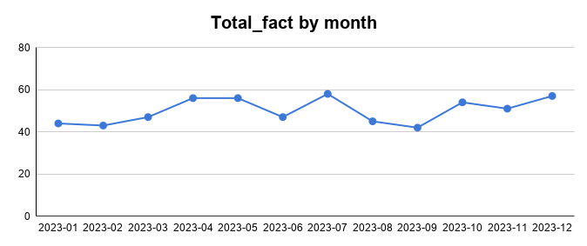
247a8333-f7b0-47d2-8da8-056c3d15eef7 | 2982100c-0372-4e33-8550-7d2b909e7f78 | 2023-01-26 | 43441525 | Home | 3,445.00 | 3 | 5.00% | Bank Transfer | Pending | India | Mobile | 9,818.25 |  | 2023-01-26
ade7cef3-7ed2-4c2f-856f-3d95e0ae1a1b | 7751b3fa-bdb6-4ff3-94e1-67063309a536 | 2023-01-26 | 26012667 | Clothing | 1,007.00 | 3 | 11.00% | Credit Card | Returned | USA | Mobile | 2,688.69 |  | 2023-01-26
200f7753-f217-4aac-a59c-ff81e5ce0ca6 | 2449213a-c2fa-4184-a232-4672f64e8f4a | 2023-01-26 | 45903908 | Electronics | 4,907.00 | 1 | 5.00% | PayPal | Delivered | India | Tablet | 4,661.65 | 4,661.65 | 2023-01-26
e575ae93-ce74-4e8a-b4e1-680b05a02c72 | 160d0b9e-1004-4975-8045-883b940f737e | 2023-01-27 | 47498341 | Toys | 2,926.00 | 3 | 7.00% | PayPal | Returned | Germany | Tablet | 8,163.54 |  | 2023-01-27
31cb5e8e-ae25-42ca-a894-8b4cf0fcccc6 | 7c8765b6-b04a-4620-89ab-05a8806094aa | 2023-01-27 | 97649038 | Books | 1,084.00 | 3 | 19.00% | Bank Transfer | Delivered | Germany | Desktop | 2,634.12 | 2,634.12 | 2023-01-27
9d44c93e-7799-48e2-b368-c5539c30ceaa | a9c7ae92-e61b-4dc6-be52-5e4f9e203161 | 2023-01-28 | 39541727 | Toys | 7,857.00 | 2 | 9.00% | PayPal | Returned | India | Tablet | 14,299.74 |  | 2023-01-28
254bf7ae-1d0a-4994-b20b-575d4e28e674 | 5e2d2454-e462-42e7-b5c3-de958a647b9f | 2023-01-28 | 16501591 | Toys | 2,460.00 | 3 | 14.00% | Bank Transfer | Returned | Germany | Mobile | 6,346.80 |  | 2023-01-28
30bcab0e-d857-4102-95d4-4936a1515607 | c48ae374-06dc-4579-a476-40a1b6a659ef | 2023-01-29 | 23695825 | Books | 7,803.00 | 4 | 12.00% | Bank Transfer | Returned | USA | Mobile | 27,466.56 |  | 2023-01-29
bf1df687-1a1e-4042-b1d0-4b0f656fa7e6 | 76847398-fabb-46b6-97f4-3de414934a25 | 2023-01-29 | 69163517 | Clothing | 554.00 | 2 | 13.00% | COD | Returned | France | Mobile | 963.96 |  | 2023-01-29
dc45488d-84dd-49b9-9f1e-0ee9cf6c9992 | 1beaf9cf-af3c-49d0-a92c-3c3e3957f082 | 2023-01-30 | 54017467 | Electronics | 9,986.00 | 2 | 14.00% | Credit Card | Cancelled | UK | Tablet | 17,175.92 |  | 2023-01-30
4ca49aaf-6b94-4e09-a1cc-14b312bdf75f | 0f424ffa-8abb-472c-8aae-0c3ad31224e0 | 2023-01-30 | 66515241 | Electronics | 3,180.00 | 2 | 14.00% | PayPal | Pending | Germany | Tablet | 5,469.60 |  | 2023-01-30
9501e917-496d-427b-baf2-f402a0e624f1 | 15d0db43-80a1-4176-a2b3-4047ee4b0498 | 2023-01-30 | 29381487 | Books | 8,123.00 | 1 | 5.00% | Credit Card | Pending | UK | Tablet | 7,716.85 |  | 2023-01-30
45c190a8-a52b-40ce-a27b-585f1f2de275 | cbae0e93-2f39-4045-91bb-91c132620328 | 2023-01-31 | 49530001 | Toys | 665.00 | 2 | 14.00% | COD | Pending | Germany | Tablet | 1,143.80 |  | 2023-01-31
d3447490-96fd-45d0-adf2-0806e5214606 | 9aa1ecd6-058f-48d5-8ad6-cc515f2e1048 | 2023-02-01 | 16346376 | Clothing | 8,312.00 | 1 | 5.00% | PayPal | Returned | India | Mobile | 7,896.40 |  | 2023-02-01
1db53334-fb03-43a1-9576-d4155ec17dbe | b934718f-2d49-4ca2-81f4-317df5141524 | 2023-02-01 | 13536091 | Home | 9,370.00 | 3 | 15.00% | Bank Transfer | Cancelled | UK | Mobile | 23,893.50 |  | 2023-02-01
SUM of total_fact by category
37176e84-d977-4993-bc49-d76fcfc6e625 | 86ce563d-e291-45e1-869f-c269ff7acd86 | 2023-02-02 | 8601148 | Clothing | 3,487.00 | 3 | 5.00% | PayPal | Delivered | UK | Tablet | 9,937.95 | 9,937.95 | 2023-02-02 | category | SUM of total_fact
4578bab3-26a9-4465-a371-ea2c0247145f | af8c96a9-18f7-4499-9f61-c53457d1d37c | 2023-02-02 | 84409928 | Home | 4,961.00 | 2 | 17.00% | Credit Card | Delivered | UK | Desktop | 8,235.26 | 8,235.26 | 2023-02-02 | Books | 378,260.91
b2ddc481-ac6d-4df8-94e5-064cb799ae8e | e668bb6e-c408-443f-a90d-07e4ce1f4081 | 2023-02-02 | 24061797 | Books | 2,404.00 | 4 | 17.00% | COD | Returned | India | Desktop | 7,981.28 |  | 2023-02-02 | Clothing | 264,714.86
a9afa87a-d181-49bf-aa09-9a46f25a3c68 | c4fa9dd1-9160-4261-ae10-7e22fa7199d6 | 2023-02-02 | 43035847 | Electronics | 9,381.00 | 2 | 5.00% | COD | Delivered | UK | Mobile | 17,823.90 | 17,823.90 | 2023-02-02 | Electronics | 278,453.74
5a3da367-141b-4a1b-80a9-78bfb8f8903b | 9ad73702-140a-442e-90e8-57f88986148f | 2023-02-03 | 28045557 | Electronics | 9,826.00 | 1 | 18.00% | Credit Card | Delivered | France | Desktop | 8,057.32 | 8,057.32 | 2023-02-03 | Home | 259,030.86
5f1ff97c-71cf-4814-a45b-d776c838a145 | a2521f50-a54e-4c8f-acb3-077a6cef5e55 | 2023-02-05 | 90150333 | Toys | 4,541.00 | 4 | 7.00% | COD | Pending | France | Tablet | 16,892.52 |  | 2023-02-05 | Toys | 385,269.77
34ab18fd-0a68-488e-8ad4-041504c14982 | 4bf41e10-1c62-4f82-9081-3d923aca43f2 | 2023-02-06 | 20121693 | Electronics | 3,674.00 | 4 | 16.00% | Bank Transfer | Cancelled | UK | Mobile | 12,344.64 |  | 2023-02-06 | Grand Total | 1,565,730.14
98ba0f0e-120d-4126-9da5-3b38d1aa6c5e | cef980ce-c471-421a-85f2-b928beb9c9e2 | 2023-02-06 | 94470727 | Books | 9,015.00 | 4 | 18.00% | COD | Delivered | France | Tablet | 29,569.20 | 29,569.20 | 2023-02-06
38018b47-b29a-4b06-9af6-6c5f2577bffa | eb1d1061-9717-4a6e-a8b4-d5b9693d993c | 2023-02-08 | 94678413 | Books | 2,607.00 | 2 | 17.00% | COD | Delivered | India | Tablet | 4,327.62 | 4,327.62 | 2023-02-08
3dbba3af-14db-4d22-95ea-e9d21e3d59d0 | 86d77094-a689-4303-a807-092d74ca0c56 | 2023-02-08 | 93760249 | Home | 8,134.00 | 4 | 8.00% | PayPal | Delivered | France | Tablet | 29,933.12 | 29,933.12 | 2023-02-08
d8a1a546-54a6-487c-a72e-aa36e642965c | b9c3a78f-c8d3-4cee-9370-c51fd8e2ba4c | 2023-02-08 | 81910243 | Electronics | 5,724.00 | 3 | 20.00% | Bank Transfer | Delivered | USA | Mobile | 13,737.60 | 13,737.60 | 2023-02-08
b5d32b16-6619-4cb1-9710-37d1b83e90ec | 65ea29d1-adae-4e45-a036-e74be34d7804 | 2023-02-09 | 79496018 | Books | 6,111.00 | 1 | 7.00% | Credit Card | Pending | France | Mobile | 5,683.23 |  | 2023-02-09
a1ab17c0-7662-49cc-9af9-5c78247f4d97 | e5039055-f90b-4724-b883-a8ea44e8a604 | 2023-02-09 | 46937322 | Electronics | 6,183.00 | 2 | 8.00% | PayPal | Pending | India | Desktop | 11,376.72 |  | 2023-02-09
61d9fe39-8147-48f4-9f0e-f320f7f60e7f | 8f41d3e4-1ece-45e5-8018-41f4820d15c6 | 2023-02-10 | 72933039 | Toys | 1,379.00 | 1 | 18.00% | Credit Card | Cancelled | Germany | Desktop | 1,130.78 |  | 2023-02-10
d138d150-8557-416a-a750-2a812227d96d | 7a658abe-1188-4fa1-b660-ffd5119fc1c4 | 2023-02-11 | 50342280 | Clothing | 9,873.00 | 3 | 20.00% | Credit Card | Delivered | USA | Desktop | 23,695.20 | 23,695.20 | 2023-02-11
ccf719ab-2922-4bd8-9ca5-b35354a1d505 | f9d2b2de-92bb-4701-b503-c56e61002dbd | 2023-02-11 | 68385934 | Clothing | 7,187.00 | 4 | 20.00% | Bank Transfer | Delivered | India | Desktop | 22,998.40 | 22,998.40 | 2023-02-11
SUM of total_fact by country
176ea1b1-6426-4cd5-9ea4-5cd69371a71f | e08c28eb-3218-4fbf-8dcc-bbedc0e0d55b | 2023-02-12 | 25067743 | Books | 8,924.00 | 2 | 10.00% | Bank Transfer | Delivered | UK | Mobile | 16,063.20 | 16,063.20 | 2023-02-12 | country | SUM of total_fact
d675ebf7-4fe3-4c9a-9371-0f577e9cf84f | 06999e1e-2b02-437e-a2cd-159aebba80d2 | 2023-02-12 | 34613122 | Electronics | 2,921.00 | 3 | 19.00% | Bank Transfer | Pending | UK | Mobile | 7,098.03 |  | 2023-02-12 | France | 289,493.30
1d69d9fc-4b1c-48bd-a130-260c8c69778f | bd2cdb8d-39eb-4a32-ac1b-681192dbd613 | 2023-02-12 | 10543108 | Electronics | 5,240.00 | 1 | 10.00% | Credit Card | Cancelled | India | Mobile | 4,716.00 |  | 2023-02-12 | Germany | 276,127.21
f689a4a5-ffda-4336-8c6e-90373020da5c | 702cebbe-3544-4189-a920-46339bb68cd2 | 2023-02-13 | 58468913 | Clothing | 6,009.00 | 4 | 17.00% | COD | Cancelled | USA | Tablet | 19,949.88 |  | 2023-02-13 | India | 394,504.32
d8ab0b30-0ac0-4f0d-9974-c146e8ec01b3 | 96248805-2305-46d3-aa61-353ad2b00078 | 2023-02-13 | 26422138 | Electronics | 6,350.00 | 3 | 6.00% | Bank Transfer | Pending | France | Tablet | 17,907.00 |  | 2023-02-13 | UK | 319,310.34
9a1a7d6f-dd02-4100-a3d4-84087de8a234 | 9f2d5db8-deba-489f-959d-e20409642b31 | 2023-02-13 | 76759475 | Home | 3,706.00 | 3 | 5.00% | Credit Card | Returned | India | Tablet | 10,562.10 |  | 2023-02-13 | USA | 286,294.97
6c98f73d-27fe-4b4b-9bf1-f1d18b92c247 | df4a518a-4ef0-4a9b-93fd-2516d1bfbaba | 2023-02-13 | 64598840 | Home | 5,366.00 | 4 | 15.00% | PayPal | Cancelled | India | Tablet | 18,244.40 |  | 2023-02-13 | Grand Total | 1,565,730.14
50ae2652-09cd-4bdf-b56a-f7370f2670d2 | f4105d94-c689-437b-b945-23fe03cb8f1e | 2023-02-13 | 64759982 | Electronics | 7,048.00 | 2 | 15.00% | Credit Card | Returned | Germany | Tablet | 11,981.60 |  | 2023-02-13
6e5bac20-725c-4675-8a95-71e407dc02b1 | ab341860-fefd-420b-b5ef-aa99010f5ddf | 2023-02-14 | 94151268 | Clothing | 4,023.00 | 3 | 18.00% | PayPal | Returned | India | Mobile | 9,896.58 |  | 2023-02-14
1cb66f67-46e7-45ad-9bce-35d8cbe88a3f | 393031a6-c82a-4c15-9733-f669852d8585 | 2023-02-14 | 58349076 | Electronics | 1,394.00 | 4 | 8.00% | Credit Card | Delivered | Germany | Mobile | 5,129.92 | 5,129.92 | 2023-02-14
f16f1487-f7f2-4e5c-8e07-55e354565b12 | cfa88592-0055-4e42-ab49-6a3bf26ce972 | 2023-02-16 | 2128313 | Home | 4,903.00 | 2 | 15.00% | Bank Transfer | Cancelled | India | Tablet | 8,335.10 |  | 2023-02-16
f728b4fa-4248-4e3a-8a5d-2f346baa9455 | ca6ef7ce-74db-49f3-92a3-3c33037e5725 | 2023-02-17 | 3738306 | Toys | 6,723.00 | 3 | 7.00% | COD | Cancelled | UK | Tablet | 18,757.17 |  | 2023-02-17
ebe21368-98c7-4205-9e01-a934402d0baf | c5fee487-68ab-4281-968d-2bc2dac7c336 | 2023-02-17 | 65458501 | Books | 8,507.00 | 3 | 11.00% | COD | Pending | India | Desktop | 22,713.69 |  | 2023-02-17
21e15094-9efe-4464-9a90-f534a23d4c9d | e1a9344e-ef7f-4bc8-bb24-cba4b4577bf7 | 2023-02-18 | 39830838 | Books | 1,725.00 | 1 | 7.00% | Credit Card | Cancelled | Germany | Tablet | 1,604.25 |  | 2023-02-18
ccc14d51-73f6-40d8-a9f4-1cc04653a560 | 9bde299d-da28-4b7a-8d6d-99a628d798b4 | 2023-02-20 | 75215248 | Toys | 8,233.00 | 1 | 12.00% | Credit Card | Cancelled | France | Mobile | 7,245.04 |  | 2023-02-20
0d742256-0b36-43cd-8acf-eba4441030ae | 992e7dea-0374-4263-8a06-09aa827acd0d | 2023-02-21 | 72626801 | Electronics | 9,155.00 | 1 | 6.00% | Bank Transfer | Returned | Germany | Tablet | 8,605.70 |  | 2023-02-21
92b95731-13f2-4c86-ab83-f00fed2ee36f | 28e2f201-fbb2-4429-95ab-42c50f08502e | 2023-02-21 | 95468181 | Books | 259.00 | 4 | 18.00% | Bank Transfer | Returned | UK | Desktop | 849.52 |  | 2023-02-21
c87a7463-19c1-4a0d-8feb-d845d0dfae43 | 796f9881-572a-4b53-ab6b-7b4229502326 | 2023-02-23 | 60875037 | Home | 6,017.00 | 3 | 9.00% | PayPal | Returned | Germany | Desktop | 16,426.41 |  | 2023-02-23
e786ab37-5bca-47be-8298-17c53308fb2e | 2a1ace85-351c-4aac-a728-ec952b52dab1 | 2023-02-23 | 11191315 | Toys | 9,420.00 | 2 | 6.00% | PayPal | Cancelled | UK | Tablet | 17,709.60 |  | 2023-02-23
51abf5e5-cb77-4e24-95eb-3a3de2014a45 | 23aa9e67-70bc-4ec1-8d29-d77a793910e6 | 2023-02-23 | 66802150 | Books | 9,224.00 | 2 | 13.00% | PayPal | Cancelled | India | Desktop | 16,049.76 |  | 2023-02-23
908e0372-bcbe-4a42-b89d-3fda1e454241 | 26b18865-a878-4876-bf0d-f2ca2dc6c2ac | 2023-02-24 | 3511442 | Electronics | 4,084.00 | 3 | 13.00% | COD | Returned | India | Desktop | 10,659.24 |  | 2023-02-24
764ab510-9acb-4588-8397-d4127118bb71 | f65a1a2a-4f76-4aac-9ec2-2e0cd4cd82fa | 2023-02-26 | 775212 | Home | 2,209.00 | 1 | 10.00% | Credit Card | Returned | France | Mobile | 1,988.10 |  | 2023-02-26
ba26d851-35e8-479a-baaf-0e891fb797fa | 69199a8a-aea6-4315-88ef-444a6e63ffa4 | 2023-02-27 | 62467483 | Home | 7,159.00 | 2 | 8.00% | Credit Card | Pending | Germany | Tablet | 13,172.56 |  | 2023-02-27
1d77ce40-58d8-4776-a51a-d4f3a699bae0 | 68f49b51-f3fa-4613-90ed-41f464aba3f6 | 2023-02-28 | 27318416 | Clothing | 8,064.00 | 1 | 7.00% | Credit Card | Returned | USA | Mobile | 7,499.52 |  | 2023-02-28
df39ccaa-580c-49fc-bb69-e69041300879 | 2adb6a67-83ad-4758-83e1-592e3765002d | 2023-02-28 | 95175393 | Books | 316.00 | 4 | 20.00% | Bank Transfer | Cancelled | UK | Mobile | 1,011.20 |  | 2023-02-28
14827a89-5e63-44c6-b0ac-79dd0b5aafef | 9a642c24-a34a-4c3e-9a68-fa2a59581c94 | 2023-03-01 | 45383991 | Books | 2,157.00 | 3 | 14.00% | Credit Card | Returned | Germany | Mobile | 5,565.06 |  | 2023-03-01
c707e77b-4bf0-4e53-b608-8c973380dcfc | 2adfd824-edae-4c39-aa9e-062a9b89bf0d | 2023-03-02 | 27233382 | Home | 4,528.00 | 4 | 6.00% | COD | Pending | India | Mobile | 17,025.28 |  | 2023-03-02
1ad1daaa-ef8d-4ff0-9583-1feeec41e6f6 | 698eecba-da98-4a57-966a-dfc43513198c | 2023-03-03 | 47180734 | Electronics | 8,951.00 | 1 | 18.00% | Credit Card | Delivered | India | Mobile | 7,339.82 | 7,339.82 | 2023-03-03
596305b3-71b2-41e4-afd3-b9f2e90f79f8 | 33251c76-d8ef-45c9-a7a2-d2d0ca3c4050 | 2023-03-03 | 83256288 | Books | 2,884.00 | 3 | 9.00% | PayPal | Delivered | UK | Desktop | 7,873.32 | 7,873.32 | 2023-03-03
19b53b7f-b47a-4dce-8f70-9452ce8c037e | ea8760aa-da4d-4a76-aa34-bfb4e62a3fb5 | 2023-03-03 | 44671167 | Books | 552.00 | 3 | 11.00% | PayPal | Cancelled | UK | Tablet | 1,473.84 |  | 2023-03-03
faf1501b-009a-415b-8137-8be5b7a28e0a | a4e0ee5b-1638-425c-8d66-65d8edf2a720 | 2023-03-04 | 5119141 | Electronics | 5,107.00 | 4 | 16.00% | COD | Returned | Germany | Tablet | 17,159.52 |  | 2023-03-04
120961ea-0913-4087-95d3-8ca9986cc8d5 | 05dd1ef0-0806-48c9-8967-49fbb2e02961 | 2023-03-05 | 38195549 | Electronics | 2,150.00 | 3 | 20.00% | Credit Card | Pending | UK | Tablet | 5,160.00 |  | 2023-03-05
3fe65f90-f631-481e-bf40-1e04b9f94ec6 | 68795e63-1f74-4e70-a36b-3a5f23746ddd | 2023-03-05 | 12907779 | Electronics | 8,422.00 | 3 | 15.00% | Bank Transfer | Returned | UK | Desktop | 21,476.10 |  | 2023-03-05
7d3c279b-5bce-428b-989b-b03086c47b06 | f02dd043-d01a-4ef6-a829-4aabafaf2b68 | 2023-03-07 | 33935508 | Toys | 9,669.00 | 4 | 15.00% | COD | Returned | France | Desktop | 32,874.60 |  | 2023-03-07
b56b9357-b34d-48b0-93f3-c15842ce91c0 | 714d85bd-e197-4c14-aa06-9b5b510d115a | 2023-03-08 | 33908380 | Books | 9,269.00 | 3 | 18.00% | COD | Pending | USA | Desktop | 22,801.74 |  | 2023-03-08
4d6cd782-2e95-43ea-bda1-7da2000fc63d | 3956fba9-7232-4dc9-8677-81b2c3a31607 | 2023-03-09 | 75404154 | Clothing | 4,078.00 | 1 | 7.00% | COD | Pending | India | Tablet | 3,792.54 |  | 2023-03-09
09c67417-306a-4871-beef-71cbc915d113 | 840658d1-c1da-4d39-b735-0626dca8b6fd | 2023-03-09 | 32702026 | Electronics | 4,560.00 | 4 | 12.00% | COD | Pending | India | Mobile | 16,051.20 |  | 2023-03-09
14aa451c-a69c-4b85-9432-f8db6a174c1c | 98856c7f-3475-4526-b2b4-c281a5b91ee8 | 2023-03-11 | 51065270 | Home | 4,343.00 | 2 | 11.00% | COD | Delivered | USA | Desktop | 7,730.54 | 7,730.54 | 2023-03-11
f3cc9d8a-4b16-48e4-9f20-f4063438b4e4 | ffbdfd47-dc79-42f0-9338-94b3854ca896 | 2023-03-11 | 18972962 | Clothing | 6,096.00 | 3 | 5.00% | Credit Card | Pending | Germany | Desktop | 17,373.60 |  | 2023-03-11
8d723104-f773-43c1-b458-a748e9bb17bc | 28b299bc-ebbe-4a41-8781-e11f2cb38568 | 2023-03-12 | 49486230 | Toys | 9,819.00 | 4 | 11.00% | COD | Delivered | India | Mobile | 34,955.64 | 34,955.64 | 2023-03-12
2ebed37d-05d1-46b6-acee-c38d511fcda9 | 4e2e2c6e-08e7-4744-a7f3-c30f26e5e2da | 2023-03-12 | 78286191 | Toys | 5,710.00 | 4 | 13.00% | Credit Card | Returned | Germany | Mobile | 19,870.80 |  | 2023-03-12
e005b860-51ef-4922-be43-c49e149818d1 | 2c05b870-cd34-4cd7-b7ed-75b463d0fccd | 2023-03-14 | 96799833 | Home | 9,467.00 | 4 | 6.00% | Bank Transfer | Cancelled | USA | Desktop | 35,595.92 |  | 2023-03-14
f55b2e5c-a6ed-4ac0-be22-e1b751783032 | e4bd7d57-03e3-425b-b00b-1433f5d61476 | 2023-03-14 | 51908195 | Clothing | 1,079.00 | 3 | 6.00% | COD | Pending | USA | Desktop | 3,042.78 |  | 2023-03-14
e3b4df81-eeb3-462c-a032-149d06fafb60 | 503a65d5-82ed-45ab-9fde-522dd429e0c9 | 2023-03-14 | 29799688 | Electronics | 2,912.00 | 3 | 17.00% | Bank Transfer | Delivered | India | Mobile | 7,250.88 | 7,250.88 | 2023-03-14
f4dd05d5-1349-447a-a1cb-a182ca20854d | 31307e46-af79-4546-be51-68dc5690f74d | 2023-03-15 | 79803236 | Clothing | 9,916.00 | 1 | 13.00% | Bank Transfer | Returned | India | Desktop | 8,626.92 |  | 2023-03-15
e65a3ae4-3a72-417d-829e-d120cddb2316 | d8ce8d9a-29de-476a-94ce-14b39a9a56bc | 2023-03-15 | 11139904 | Books | 4,489.00 | 1 | 8.00% | Bank Transfer | Returned | USA | Desktop | 4,129.88 |  | 2023-03-15
c061c99b-831a-452a-9e6c-8762b475e15e | 139e5ca2-b9e7-4780-821c-f26265739938 | 2023-03-16 | 75462086 | Toys | 7,027.00 | 2 | 12.00% | Bank Transfer | Delivered | USA | Mobile | 12,367.52 | 12,367.52 | 2023-03-16
27fa8b8a-909b-471c-8d1f-0a7fd0fce922 | a8936bd3-86a2-4efb-baf0-cf69bd2098c6 | 2023-03-16 | 99354275 | Toys | 163.00 | 1 | 13.00% | Bank Transfer | Delivered | India | Tablet | 141.81 | 141.81 | 2023-03-16
db66bfda-2df9-4747-8ed1-35530c5a876f | 49b3fe66-3b4c-4730-a53d-f737c2185e77 | 2023-03-19 | 63609394 | Electronics | 1,246.00 | 3 | 5.00% | PayPal | Returned | France | Tablet | 3,551.10 |  | 2023-03-19
72d6bc20-d80d-4a1c-8247-2fd603e9ba02 | 22ca9fe8-a8aa-4d13-85a9-18d19eede43c | 2023-03-21 | 66426059 | Electronics | 1,921.00 | 1 | 16.00% | Bank Transfer | Returned | UK | Desktop | 1,613.64 |  | 2023-03-21
4a814d53-964d-4b77-a025-f0ae35354579 | c7afae8f-dfec-42ae-98e7-60bf8f3e64f4 | 2023-03-22 | 98575978 | Electronics | 7,762.00 | 1 | 13.00% | PayPal | Pending | USA | Tablet | 6,752.94 |  | 2023-03-22
3b9cea95-9ad7-458f-aecb-325b064f768d | fb2323e7-d6a2-4379-a0c6-a8a74748f7ea | 2023-03-22 | 68941574 | Toys | 4,156.00 | 2 | 7.00% | Bank Transfer | Delivered | France | Desktop | 7,730.16 | 7,730.16 | 2023-03-22
fe2d9d1d-e377-4008-a416-59c078b61daf | ed4879e7-efd1-44ee-b287-c4407881307d | 2023-03-23 | 88713267 | Books | 2,101.00 | 4 | 8.00% | Credit Card | Returned | Germany | Desktop | 7,731.68 |  | 2023-03-23
675d0855-2d55-40c9-8576-598359cd012a | e9b74954-a41a-4d31-9d5e-b2d16518020a | 2023-03-23 | 46957405 | Books | 7,234.00 | 2 | 8.00% | Credit Card | Returned | France | Mobile | 13,310.56 |  | 2023-03-23
0fa07a3f-2e29-4065-afa2-31e959acdd98 | b5004950-b5f5-4316-a453-35cc137fcd2b | 2023-03-24 | 1504408 | Clothing | 4,909.00 | 4 | 6.00% | Bank Transfer | Delivered | Germany | Desktop | 18,457.84 | 18,457.84 | 2023-03-24
4d6b234f-dfa7-46ed-b2d1-f81ba636425c | 44c8fd00-1a0f-4218-9eb8-83257add8fed | 2023-03-24 | 76263637 | Home | 8,826.00 | 3 | 5.00% | COD | Returned | Germany | Desktop | 25,154.10 |  | 2023-03-24
d26eeeba-53ff-4644-8741-ee56b5e2834d | 9c7221e4-ec1a-48a3-ad51-fa2bf13a2ff3 | 2023-03-24 | 17187527 | Electronics | 7,994.00 | 4 | 7.00% | COD | Pending | USA | Desktop | 29,737.68 |  | 2023-03-24
a2939b3b-7fa7-4d8a-bf88-ec827f99d273 | 6a4ace0e-d89a-4500-9f13-d2fbe583847f | 2023-03-25 | 57891224 | Books | 5,525.00 | 3 | 10.00% | PayPal | Returned | India | Tablet | 14,917.50 |  | 2023-03-25
17b18e6e-78af-458e-8058-a332b4cfafa8 | 52c1b3c7-f33c-4233-8833-b07eb4d56ffc | 2023-03-25 | 18800562 | Toys | 167.00 | 2 | 8.00% | PayPal | Pending | Germany | Desktop | 307.28 |  | 2023-03-25
25c29b6a-b575-4c6e-aee8-4bcb7281b8a9 | b57a5c03-cb85-4da6-9b01-98ffde21c855 | 2023-03-25 | 65660478 | Electronics | 8,096.00 | 3 | 7.00% | Bank Transfer | Delivered | Germany | Mobile | 22,587.84 | 22,587.84 | 2023-03-25
58ba0bf3-675e-4c52-9eb9-5739b8acdd81 | cae1367a-579e-4b08-9db1-3edffa29559d | 2023-03-25 | 70185560 | Toys | 4,526.00 | 1 | 17.00% | PayPal | Returned | USA | Desktop | 3,756.58 |  | 2023-03-25
b29c467d-2b5f-4932-91dc-59efeb21a3f6 | e65d1c73-5b62-47c9-be38-01afd1a8d7b0 | 2023-03-26 | 28125686 | Home | 2,289.00 | 3 | 11.00% | PayPal | Pending | India | Mobile | 6,111.63 |  | 2023-03-26
914591ae-f03d-466a-9dec-c06af24dfdd8 | 0e8472a7-dd33-4379-a88f-58c1237d7b90 | 2023-03-28 | 46287458 | Books | 5,959.00 | 1 | 17.00% | COD | Cancelled | Germany | Tablet | 4,945.97 |  | 2023-03-28
41a8a6e1-65e0-4993-bf41-1fed1e70e799 | c57842a9-934c-472a-8c72-fe13fbf28c1c | 2023-03-28 | 21687822 | Clothing | 1,172.00 | 4 | 16.00% | COD | Returned | France | Tablet | 3,937.92 |  | 2023-03-28
a3f2c9bf-9c63-46b9-90f2-44556f25e2a2 | 291a58af-259a-4b28-b22b-89748c5c192f | 2023-03-29 | 38009174 | Toys | 7,659.00 | 2 | 18.00% | Credit Card | Cancelled | USA | Mobile | 12,560.76 |  | 2023-03-29
a0116be5-ab0c-4681-88f8-e3d0d3290a4c | a2bb6283-3d83-4d7c-b9f7-06d40b4ea16d | 2023-03-29 | 27055465 | Books | 1,184.00 | 3 | 6.00% | COD | Delivered | UK | Mobile | 3,338.88 | 3,338.88 | 2023-03-29
a1d20ebc-5aa3-492a-8c88-b9d8ab12fb53 | 07d5e121-623a-45ae-ba31-a27cced4dd7c | 2023-03-29 | 9800069 | Clothing | 6,589.00 | 1 | 11.00% | Bank Transfer | Cancelled | UK | Tablet | 5,864.21 |  | 2023-03-29
248f4a25-4cd8-4f24-b1a8-c9c60f6ab75b | 69f5a741-8686-4f29-9cb7-6bb9c0ff34b4 | 2023-03-29 | 80399643 | Electronics | 8,671.00 | 4 | 14.00% | Bank Transfer | Cancelled | UK | Tablet | 29,828.24 |  | 2023-03-29
85776e9a-dd84-439e-b154-5a137a1d5006 | f172840f-3e19-40ba-ae09-ccfba3dee81f | 2023-03-30 | 19827308 | Clothing | 2,537.00 | 2 | 10.00% | PayPal | Returned | France | Desktop | 4,566.60 |  | 2023-03-30
baf3897a-3e70-416a-9548-5822de1b372a | 29e316ad-39dd-4477-9a22-0eb23cf9d1fe | 2023-03-30 | 23837508 | Toys | 3,287.00 | 4 | 8.00% | PayPal | Cancelled | India | Desktop | 12,096.16 |  | 2023-03-30
53125ffd-f655-460b-9d32-e231eb561699 | 8b3e00e7-6151-487e-8f02-7fe87d5d9031 | 2023-03-30 | 87747119 | Clothing | 8,530.00 | 1 | 17.00% | Credit Card | Pending | USA | Desktop | 7,079.90 |  | 2023-03-30
95be263b-0253-4c8c-91f0-c570bf5545ce | c2de5950-0b2f-42ef-ac09-59b82924b159 | 2023-03-31 | 79824491 | Home | 8,670.00 | 2 | 19.00% | Credit Card | Returned | UK | Tablet | 14,045.40 |  | 2023-03-31
c2112eda-f1e7-4a9b-af65-70d74643d705 | e47e3d10-1d72-40fe-aa28-9858dd07edc6 | 2023-04-01 | 9279230 | Books | 8,156.00 | 3 | 12.00% | Credit Card | Delivered | USA | Mobile | 21,531.84 | 21,531.84 | 2023-04-01
98b33c6e-0a14-490a-b795-e98680ee526e | 6ce8d7dc-c71d-42d6-93ec-5718ae4a741a | 2023-04-02 | 902922 | Electronics | 3,706.00 | 2 | 8.00% | Credit Card | Delivered | India | Mobile | 6,819.04 | 6,819.04 | 2023-04-02
f5a3e893-3f7a-4748-acbb-93c26e84f8ea | b2c92c12-9bd9-4220-b38f-4acf66270136 | 2023-04-02 | 75792091 | Clothing | 1,384.00 | 1 | 16.00% | COD | Returned | USA | Desktop | 1,162.56 |  | 2023-04-02
39d5b552-a867-40f0-a8e6-a772b9cde60c | a1c56342-5033-45a4-86ec-9ad0e2cbef40 | 2023-04-02 | 73990833 | Toys | 5,469.00 | 4 | 5.00% | Bank Transfer | Cancelled | Germany | Mobile | 20,782.20 |  | 2023-04-02
cb60fefc-c47e-430e-99b7-02a20d5f024a | 7770ca8d-ac69-4006-81b8-4ea71f217475 | 2023-04-03 | 91103321 | Toys | 885.00 | 1 | 7.00% | Bank Transfer | Delivered | UK | Desktop | 823.05 | 823.05 | 2023-04-03
67c21355-c312-4af6-8b32-992a3b7c1f9a | 2a9e9a38-1d5a-474c-8da8-40fd4adb0798 | 2023-04-04 | 61948525 | Clothing | 1,470.00 | 1 | 14.00% | Bank Transfer | Pending | UK | Mobile | 1,264.20 |  | 2023-04-04
66b62087-61a5-4fdd-9eda-4209b270af55 | 2b66b1c0-5fdd-4329-ac74-9cf41f7550bc | 2023-04-04 | 40473635 | Clothing | 533.00 | 2 | 10.00% | Credit Card | Cancelled | UK | Tablet | 959.40 |  | 2023-04-04
c74dd25c-6dbf-459c-837d-975248f3531c | 41b72448-c286-4234-9815-80dc24d878a1 | 2023-04-04 | 83327377 | Toys | 1,690.00 | 3 | 12.00% | PayPal | Returned | Germany | Mobile | 4,461.60 |  | 2023-04-04
bad4c288-0bf5-4ed8-b93c-2989c399fd7f | 99605cd1-cab2-4a0a-877e-2817ddd1b251 | 2023-04-04 | 45046162 | Home | 3,432.00 | 1 | 20.00% | COD | Pending | Germany | Mobile | 2,745.60 |  | 2023-04-04
df26f517-66fa-4989-8813-5d586a1689ad | b8f35c26-d13e-439c-9cb6-f1f0e4751694 | 2023-04-05 | 86586771 | Electronics | 8,587.00 | 1 | 10.00% | Credit Card | Delivered | India | Mobile | 7,728.30 | 7,728.30 | 2023-04-05
1db2b452-7aa5-4a18-9fd3-c01757f98d1e | b594b706-a7fb-481e-ba88-a4ab78916712 | 2023-04-05 | 27329313 | Books | 9,074.00 | 1 | 11.00% | Bank Transfer | Cancelled | France | Mobile | 8,075.86 |  | 2023-04-05
dc66a27b-6a32-4333-916e-8a6429deb984 | 49954cf1-faaf-400c-a74b-3d208c3fa29f | 2023-04-05 | 49116724 | Electronics | 7,809.00 | 2 | 7.00% | Bank Transfer | Returned | India | Tablet | 14,524.74 |  | 2023-04-05
85a1282a-0761-485b-8168-705a533c9a31 | 54f5edf7-e9bf-49f4-b373-9067cf085288 | 2023-04-05 | 21530661 | Electronics | 7,652.00 | 1 | 19.00% | COD | Delivered | UK | Mobile | 6,198.12 | 6,198.12 | 2023-04-05
606375b8-bb93-4826-bcee-9d29ce4f1ca0 | 664ceba8-a4ef-4def-a4cb-0b4e3825a7e1 | 2023-04-05 | 91565181 | Electronics | 491.00 | 2 | 13.00% | COD | Cancelled | France | Mobile | 854.34 |  | 2023-04-05
53e83663-9c14-440d-9b2d-81ccc602bd20 | 835875c3-9520-49e4-a8fc-f210dac15a07 | 2023-04-05 | 81174775 | Books | 5,918.00 | 4 | 9.00% | COD | Returned | France | Desktop | 21,541.52 |  | 2023-04-05
b5d97ef7-60ef-4471-b2b8-ff39a32c9b6f | 15db4487-6038-43f3-ab2b-cfda9d4319b5 | 2023-04-06 | 34129043 | Books | 7,695.00 | 4 | 8.00% | PayPal | Returned | India | Desktop | 28,317.60 |  | 2023-04-06
62830869-0fa7-4e05-b897-4df5bff773ce | edfda291-2fdb-4c0d-be4a-565e3e581dd5 | 2023-04-06 | 26132242 | Books | 6,715.00 | 1 | 18.00% | COD | Delivered | Germany | Desktop | 5,506.30 | 5,506.30 | 2023-04-06
c9d0a7f4-0042-4fc6-ab87-71dffccae6b8 | 7448f798-b50a-476c-86fc-cff0e9e4f06c | 2023-04-07 | 41309766 | Toys | 6,976.00 | 2 | 9.00% | Credit Card | Cancelled | UK | Tablet | 12,696.32 |  | 2023-04-07
09f6048f-e245-4460-8004-884cc167733f | 820bc51d-db3a-4fa6-87d0-286213f36e53 | 2023-04-09 | 79290951 | Toys | 376.00 | 2 | 6.00% | Bank Transfer | Returned | UK | Mobile | 706.88 |  | 2023-04-09
03a89879-36a9-4d74-80de-59f550f0fc2b | 60032713-ea8f-423d-8dbc-321b90a00ee1 | 2023-04-09 | 41452752 | Toys | 5,752.00 | 2 | 5.00% | Bank Transfer | Cancelled | India | Mobile | 10,928.80 |  | 2023-04-09
5129fb7c-6288-41a5-8c45-782198a6416d | afb9f3a8-e9e7-41ba-916b-51ee6faefeda | 2023-04-10 | 91187215 | Books | 9,856.00 | 3 | 11.00% | PayPal | Cancelled | India | Mobile | 26,315.52 |  | 2023-04-10
642aad48-fcfc-4a81-b306-d70019d5f970 | 2367ad9e-8dcd-4d64-b9e8-e4ee8b7f6d7a | 2023-04-10 | 71920825 | Electronics | 8,398.00 | 2 | 13.00% | COD | Cancelled | India | Desktop | 14,612.52 |  | 2023-04-10
ff4533fe-bc6f-46ac-a139-d15d48d8b9ef | 98082cf3-03a7-49aa-ac14-af79c4a0c1cd | 2023-04-11 | 25114669 | Home | 6,080.00 | 2 | 11.00% | COD | Delivered | Germany | Desktop | 10,822.40 | 10,822.40 | 2023-04-11
ddda17a3-6779-4e0d-a5c1-df67987d616d | ad982a08-7ad0-4668-a892-d63b89aeb616 | 2023-04-11 | 47266766 | Home | 5,993.00 | 4 | 8.00% | Bank Transfer | Pending | Germany | Mobile | 22,054.24 |  | 2023-04-11
2e402534-6987-4052-b421-9d3ecdc39412 | dbf9a793-ecb9-4b39-b103-d90417426bd0 | 2023-04-11 | 98788200 | Toys | 6,300.00 | 4 | 16.00% | PayPal | Cancelled | Germany | Desktop | 21,168.00 |  | 2023-04-11
88239867-c5dd-467b-88f1-100bfa3222c4 | 832d5e70-777c-4128-9f51-9184e79d4d5f | 2023-04-13 | 5572847 | Electronics | 9,406.00 | 4 | 8.00% | Credit Card | Delivered | Germany | Desktop | 34,614.08 | 34,614.08 | 2023-04-13
eb1c3ba4-5b9e-42d0-ab0c-9fddb61b03e9 | 08439ba1-2afd-45c3-a748-4ffbbfd9de84 | 2023-04-13 | 35686156 | Home | 2,093.00 | 2 | 15.00% | COD | Returned | USA | Desktop | 3,558.10 |  | 2023-04-13
775e0ec3-9c9d-43f3-8901-8aee69407be7 | 2ae201c0-312a-4c3c-bf00-625769560c06 | 2023-04-15 | 69480904 | Books | 8,167.00 | 2 | 20.00% | Bank Transfer | Cancelled | India | Desktop | 13,067.20 |  | 2023-04-15
6d3f4b37-ed90-41c1-90b2-e6e5ec6e61bd | 148680de-b9e7-49c6-96f4-8941ad283c0d | 2023-04-15 | 79638753 | Home | 466.00 | 3 | 6.00% | PayPal | Pending | UK | Desktop | 1,314.12 |  | 2023-04-15
d480865f-9b38-4e80-b042-e325a28f5ab0 | 84caa7c8-a159-4b4f-b901-726fc421325a | 2023-04-16 | 47854697 | Home | 9,883.00 | 3 | 5.00% | COD | Returned | UK | Desktop | 28,166.55 |  | 2023-04-16
322f1499-e8a5-4f31-ac2c-10d0c15648ff | ac73189c-6fdc-4e00-a0d9-da583db4cb81 | 2023-04-16 | 63308464 | Toys | 4,845.00 | 1 | 8.00% | PayPal | Pending | USA | Tablet | 4,457.40 |  | 2023-04-16
fdc12930-82ae-452f-ad40-76bcf9cb2ee8 | bf3cfe56-a832-49e9-bae4-6529fa9fcece | 2023-04-16 | 56684339 | Toys | 1,655.00 | 4 | 8.00% | Bank Transfer | Cancelled | India | Desktop | 6,090.40 |  | 2023-04-16
dc0520a4-87ba-4b90-9e41-5c4e57030ede | f9d0a163-def1-474a-9380-1f2544f06c4e | 2023-04-17 | 91461018 | Toys | 4,682.00 | 1 | 11.00% | COD | Delivered | India | Desktop | 4,166.98 | 4,166.98 | 2023-04-17
4e49df56-0b64-4acd-bd6e-2667b6651d6e | 98ecdbc6-cec7-490b-a3e8-6d638278e1e5 | 2023-04-17 | 90157349 | Clothing | 1,173.00 | 4 | 18.00% | Bank Transfer | Pending | France | Tablet | 3,847.44 |  | 2023-04-17
c33993f2-3504-4f77-8317-c3d4afa4f554 | 91e54b3a-0a4e-4eb7-b97b-8d621c9527d0 | 2023-04-18 | 25736588 | Home | 7,985.00 | 2 | 6.00% | Credit Card | Cancelled | Germany | Tablet | 15,011.80 |  | 2023-04-18
87c47eb8-4f8e-4e01-83c8-e1046480fdc0 | 976ae5fb-66f1-40a0-ba1a-262bba13834f | 2023-04-19 | 84377296 | Home | 7,238.00 | 3 | 13.00% | Credit Card | Returned | UK | Tablet | 18,891.18 |  | 2023-04-19
ff3e0ba1-0ac7-48b4-a418-65bf350d278d | 437249fd-17ee-4fe6-a810-91fe0a5a0322 | 2023-04-20 | 65285923 | Books | 1,921.00 | 1 | 15.00% | PayPal | Cancelled | India | Mobile | 1,632.85 |  | 2023-04-20
417df4f8-c1a7-4e00-9ec1-2fa2e6df12ce | 366e3cca-8c47-4390-941c-c2bce3352f8b | 2023-04-20 | 15542762 | Home | 681.00 | 1 | 9.00% | COD | Returned | USA | Desktop | 619.71 |  | 2023-04-20
6c596216-ae0f-4bc8-a36b-cb0167e98363 | e998952c-ef58-451f-9b1a-e0199aca0c4a | 2023-04-21 | 15624499 | Electronics | 4,552.00 | 2 | 20.00% | COD | Cancelled | France | Mobile | 7,283.20 |  | 2023-04-21
6d265dd8-bf39-4fbb-938c-3460fd938adc | 41229d75-6a8d-4e84-a0fe-652b56fe2301 | 2023-04-22 | 87950984 | Home | 5,463.00 | 3 | 13.00% | Bank Transfer | Returned | France | Desktop | 14,258.43 |  | 2023-04-22
c707aef9-c6c3-444c-888e-03b662276cbc | 952b750d-9830-449d-99ef-bb41b66b6b0b | 2023-04-22 | 78974593 | Books | 6,997.00 | 1 | 5.00% | COD | Delivered | UK | Mobile | 6,647.15 | 6,647.15 | 2023-04-22
6bf4d047-c484-4a8d-af75-1bde66163e5b | 3aeb5bc0-f63d-407c-a9d2-1bf8b1954990 | 2023-04-22 | 49832693 | Home | 5,020.00 | 4 | 7.00% | PayPal | Pending | India | Tablet | 18,674.40 |  | 2023-04-22
298e9a79-abec-4c0b-981b-a30742965873 | b3f175d0-15c7-4820-a3f3-e5aed1de4fa8 | 2023-04-22 | 95324883 | Electronics | 692.00 | 3 | 14.00% | PayPal | Cancelled | UK | Tablet | 1,785.36 |  | 2023-04-22
8bc88bcf-7b1d-4049-bcc4-616df40d2a37 | af405e52-199a-4949-ba9d-82b8afbae6c3 | 2023-04-23 | 77038012 | Home | 768.00 | 2 | 14.00% | Credit Card | Pending | France | Tablet | 1,320.96 |  | 2023-04-23
72e6316e-e671-4ad2-81b5-468a27bb1580 | 7d7a0bfa-598c-4a5c-99b2-b59530519f6a | 2023-04-23 | 76945113 | Home | 296.00 | 3 | 17.00% | PayPal | Pending | USA | Mobile | 737.04 |  | 2023-04-23
99e8c828-21da-432c-9c68-d4fd0bd7696f | 9dbdc6ff-5fad-4a0d-8aa8-3cd65804a881 | 2023-04-25 | 59989196 | Clothing | 6,922.00 | 3 | 10.00% | Bank Transfer | Pending | USA | Tablet | 18,689.40 |  | 2023-04-25
789a2829-8a66-4359-abe0-a1771c5e1698 | c9d9db15-7efa-4e99-8204-5f8c3a72a669 | 2023-04-25 | 8299420 | Home | 2,018.00 | 4 | 16.00% | Credit Card | Pending | India | Tablet | 6,780.48 |  | 2023-04-25
d2d07223-0b20-4e0f-8505-0a17d2e1ed4d | e4ed458b-010a-43f8-b877-87e2bc8a8038 | 2023-04-25 | 65332979 | Home | 4,485.00 | 1 | 6.00% | Credit Card | Returned | UK | Mobile | 4,215.90 |  | 2023-04-25
4a84eb03-8d1f-49b7-8d2b-9deb1beb3711 | 00f24603-8295-4fe0-92c5-53b5d2f74429 | 2023-04-26 | 77486295 | Books | 9,439.00 | 2 | 12.00% | Bank Transfer | Delivered | France | Desktop | 16,612.64 | 16,612.64 | 2023-04-26
9cb9f9aa-bf4d-4eaa-81f2-005bc7537df5 | 24e2e13a-a0e5-4d8c-9d75-24bcdd82016d | 2023-04-26 | 6533359 | Clothing | 6,828.00 | 4 | 18.00% | COD | Pending | USA | Desktop | 22,395.84 |  | 2023-04-26
b2e74e77-0fe1-4edf-a538-790169f12ccd | fd642ae2-6434-4207-b415-14cc77fd7fd1 | 2023-04-26 | 33969824 | Clothing | 5,451.00 | 2 | 5.00% | COD | Cancelled | Germany | Tablet | 10,356.90 |  | 2023-04-26
35d4cd35-a08c-4a00-85e7-425092f078b8 | 84403b37-b13b-4d4e-a368-f7d2d9732b86 | 2023-04-27 | 7788369 | Home | 4,076.00 | 2 | 7.00% | PayPal | Delivered | UK | Mobile | 7,581.36 | 7,581.36 | 2023-04-27
eb1167b3-67a9-4378-bc65-c1e582e2e662 | b1e186d7-df25-4e5d-befa-9c478dd6650f | 2023-04-28 | 23771949 | Home | 6,570.00 | 1 | 7.00% | Credit Card | Delivered | Germany | Desktop | 6,110.10 | 6,110.10 | 2023-04-28
d5627386-528c-4241-a345-ac72eac39204 | 852d2ee5-0061-4d30-9907-3286329cd43a | 2023-04-28 | 11938132 | Clothing | 5,963.00 | 1 | 15.00% | Credit Card | Returned | India | Desktop | 5,068.55 |  | 2023-04-28
11ebcd49-428a-4c22-95fd-b76a19fbeb1d | 07fe6a4e-2a6f-4e47-9b61-f92b9cf600ec | 2023-04-30 | 57104379 | Clothing | 1,104.00 | 1 | 12.00% | COD | Returned | UK | Tablet | 971.52 |  | 2023-04-30
5df2e073-53f0-4099-813d-d49a8d99743c | d38b8f29-ed0c-4245-a053-6c6cea8713d2 | 2023-04-30 | 37817350 | Home | 1,093.00 | 4 | 6.00% | Bank Transfer | Cancelled | Germany | Desktop | 4,109.68 |  | 2023-04-30
fa999f9b-86de-4365-98a2-30de02969326 | e30d04fd-b58c-4e9f-aa0b-20400ef05b6f | 2023-05-01 | 71331263 | Home | 9,126.00 | 2 | 6.00% | Bank Transfer | Delivered | Germany | Tablet | 17,156.88 | 17,156.88 | 2023-05-01
31610b3d-1257-463c-b25d-cb50d15b5985 | 970a06dc-f444-4dae-9d21-ae7c60252b8d | 2023-05-01 | 59551461 | Clothing | 3,325.00 | 2 | 10.00% | COD | Cancelled | Germany | Tablet | 5,985.00 |  | 2023-05-01
e6fd68e8-d69c-41c2-b860-1602bb4a06cb | 22b3ce34-867a-4ac9-879b-e4e53a6e8f12 | 2023-05-02 | 76117787 | Toys | 6,912.00 | 1 | 20.00% | Credit Card | Delivered | Germany | Mobile | 5,529.60 | 5,529.60 | 2023-05-02
dfde2281-25fb-4f3d-866d-7002091472ad | f45c8840-9da2-4338-8a8b-c856c3edd9b7 | 2023-05-02 | 54839403 | Toys | 7,201.00 | 2 | 19.00% | PayPal | Cancelled | India | Mobile | 11,665.62 |  | 2023-05-02
9bbd750d-1e70-4c52-b0c1-fb6a19086515 | 0a02da60-749d-4601-9f98-377981bd5336 | 2023-05-04 | 63164763 | Books | 3,432.00 | 1 | 17.00% | COD | Cancelled | Germany | Mobile | 2,848.56 |  | 2023-05-04
7eaf1679-52b0-4994-8b1d-d9fda02ebb76 | af58e381-49ac-4f36-b202-054f62a10ce2 | 2023-05-04 | 76092909 | Books | 678.00 | 3 | 20.00% | Credit Card | Pending | UK | Tablet | 1,627.20 |  | 2023-05-04
4d236555-bc50-44ac-baa1-72acac33f644 | 9090d244-c1d4-4db0-909b-f39cacb1691c | 2023-05-05 | 66029441 | Electronics | 2,725.00 | 3 | 7.00% | COD | Cancelled | USA | Tablet | 7,602.75 |  | 2023-05-05
8f928dc5-1972-4ce3-9bd0-94486a2b3200 | 9cc753ad-6264-490f-886c-0adf5bf26ec8 | 2023-05-06 | 86754842 | Electronics | 1,150.00 | 2 | 16.00% | Credit Card | Delivered | France | Desktop | 1,932.00 | 1,932.00 | 2023-05-06
b3386c3e-1af4-487f-92eb-dac5a1457899 | 53fb2ed1-b953-4807-b009-61c3855a7d8d | 2023-05-06 | 25205213 | Electronics | 6,389.00 | 4 | 9.00% | PayPal | Pending | Germany | Tablet | 23,255.96 |  | 2023-05-06
571aa4f6-40a2-4015-8a40-a3799a1ab357 | e80d2403-12f3-48a1-84c6-50276d05f2e3 | 2023-05-06 | 76438585 | Toys | 6,352.00 | 2 | 8.00% | COD | Pending | France | Mobile | 11,687.68 |  | 2023-05-06
8476af98-425d-495f-8846-bf9040fe6898 | a3289b58-a62f-45c2-b0cc-8eec3b3fd363 | 2023-05-06 | 75267735 | Toys | 4,552.00 | 4 | 12.00% | COD | Cancelled | France | Mobile | 16,023.04 |  | 2023-05-06
eaf94919-e69b-4971-bf9b-76efa1057256 | 9b83a437-28b7-405b-abc2-ded76bd8e65f | 2023-05-07 | 59017899 | Home | 5,931.00 | 3 | 6.00% | COD | Delivered | Germany | Desktop | 16,725.42 | 16,725.42 | 2023-05-07
85940927-468f-453d-864a-7a50b48d73f1 | 409b3c5b-d5e8-489c-91ab-249d94d50a99 | 2023-05-08 | 22742797 | Books | 5,029.00 | 2 | 10.00% | PayPal | Delivered | UK | Desktop | 9,052.20 | 9,052.20 | 2023-05-08
0361524c-2cc0-4859-aa65-24ab713b7e05 | 2887a3a9-e633-47c3-8303-42c7dcfbde0a | 2023-05-08 | 243223 | Books | 2,505.00 | 4 | 19.00% | PayPal | Pending | UK | Desktop | 8,116.20 |  | 2023-05-08
5f3f5638-3870-4a14-b490-b6081dfc8352 | 1ad566c3-ecb0-4f48-aed6-3ea464a2bc48 | 2023-05-09 | 39317216 | Electronics | 5,378.00 | 1 | 8.00% | Bank Transfer | Pending | UK | Mobile | 4,947.76 |  | 2023-05-09
6d16ee18-5521-46dd-aba4-b180cb69ca38 | 7644d183-9aab-422d-b5ef-8aabb693f4ef | 2023-05-09 | 88694313 | Clothing | 3,604.00 | 1 | 14.00% | Credit Card | Returned | Germany | Desktop | 3,099.44 |  | 2023-05-09
c787ddfb-5697-417c-97fd-3736b7ef941c | 4642cddb-4fbe-4aae-bbf7-0946d6ada066 | 2023-05-09 | 21078880 | Clothing | 9,822.00 | 1 | 14.00% | COD | Delivered | Germany | Tablet | 8,446.92 | 8,446.92 | 2023-05-09
a629d332-2d4b-45a4-8fdc-13515ba830dc | e6e4ac85-f101-45fd-8f81-598725394778 | 2023-05-09 | 10474389 | Clothing | 277.00 | 4 | 5.00% | Bank Transfer | Delivered | France | Tablet | 1,052.60 | 1,052.60 | 2023-05-09
4598244b-f0bd-4405-a50d-d400a27ee80d | a0ce5b5f-ca56-4921-b942-2f1efed97f9e | 2023-05-09 | 13974916 | Electronics | 5,539.00 | 2 | 12.00% | PayPal | Cancelled | France | Tablet | 9,748.64 |  | 2023-05-09
6af79ad2-993e-48c6-a6b1-06e289110af0 | dcff697d-d26d-428d-91f1-5ee755e9718e | 2023-05-10 | 18122404 | Toys | 3,359.00 | 1 | 15.00% | PayPal | Pending | France | Desktop | 2,855.15 |  | 2023-05-10
0726d44a-2152-43c7-821a-a15ef58c43ce | ef82c4d6-438d-48b1-9719-64f8d2fb05ca | 2023-05-10 | 83183089 | Books | 8,269.00 | 1 | 6.00% | COD | Returned | USA | Tablet | 7,772.86 |  | 2023-05-10
6ae04d52-adb3-48cb-b315-8c0c66dd7794 | 70e2ee61-e29b-44d7-abdc-9c10636241c3 | 2023-05-11 | 80279297 | Electronics | 9,068.00 | 3 | 12.00% | Bank Transfer | Pending | USA | Tablet | 23,939.52 |  | 2023-05-11
e66cd36e-68ef-4f5f-ae68-690a78bc7175 | f7f1bb27-8066-4563-a0c3-0ce957ac59f2 | 2023-05-12 | 17724425 | Books | 4,592.00 | 4 | 16.00% | PayPal | Delivered | India | Mobile | 15,429.12 | 15,429.12 | 2023-05-12
a9fa4ea6-f8db-4a4d-984d-3c020ff9d318 | d5562dab-f4a9-44e3-ba4f-4535e45d8903 | 2023-05-12 | 34134139 | Toys | 3,568.00 | 3 | 6.00% | Credit Card | Cancelled | Germany | Desktop | 10,061.76 |  | 2023-05-12
4fb7c3bb-4408-404c-af44-6806c1378e75 | 3e5aed83-5272-4246-a57e-a412a2157489 | 2023-05-13 | 74211395 | Clothing | 6,042.00 | 2 | 14.00% | Bank Transfer | Delivered | Germany | Desktop | 10,392.24 | 10,392.24 | 2023-05-13
b1182d23-5bf8-4676-9f12-a0e912011caa | c095e099-7e24-4205-bb00-d206f8542953 | 2023-05-14 | 6524708 | Electronics | 835.00 | 3 | 14.00% | Bank Transfer | Delivered | India | Desktop | 2,154.30 | 2,154.30 | 2023-05-14
b3e4bd3a-94fe-41a0-ae2e-45a4ae4404d7 | 3e6fdeb2-9e76-4f95-843e-ebcc6f69ed69 | 2023-05-14 | 5871841 | Clothing | 3,445.00 | 4 | 17.00% | PayPal | Cancelled | France | Mobile | 11,437.40 |  | 2023-05-14
2bdb5720-63ea-407f-b436-498e68afe2b8 | a3b4e529-02a0-47fc-a04e-e43c11f63e9b | 2023-05-15 | 68068509 | Toys | 2,525.00 | 3 | 8.00% | PayPal | Delivered | India | Mobile | 6,969.00 | 6,969.00 | 2023-05-15
35783f66-2114-42d6-90ea-1324862f78e1 | 75fc1b10-b8d1-4539-8562-8912bdf2b5a1 | 2023-05-16 | 99010294 | Books | 3,693.00 | 4 | 10.00% | PayPal | Pending | Germany | Mobile | 13,294.80 |  | 2023-05-16
9d6c84af-266b-4d37-b5c9-9b49751f7e54 | 8d20dbea-7ae3-48cf-8ace-37d3673ef518 | 2023-05-16 | 517447 | Home | 4,488.00 | 1 | 6.00% | Credit Card | Returned | UK | Mobile | 4,218.72 |  | 2023-05-16
298b7e5d-5b16-44ad-81e7-74de3c740119 | 116febe7-aa0c-4327-9daa-42fc90b15e3d | 2023-05-16 | 85189706 | Books | 694.00 | 2 | 8.00% | COD | Pending | India | Tablet | 1,276.96 |  | 2023-05-16
743c7e9d-2fde-4035-a452-bc39dbf2eed1 | bef874d7-6251-474d-a1f9-c40838330558 | 2023-05-17 | 95453088 | Toys | 8,998.00 | 4 | 11.00% | Bank Transfer | Returned | Germany | Desktop | 32,032.88 |  | 2023-05-17
9177b6d4-5f2e-4167-b13e-ceb14ad12b4c | 88653e42-cefe-43ec-a918-4b9f501049e2 | 2023-05-17 | 56462296 | Toys | 9,198.00 | 3 | 7.00% | Credit Card | Returned | Germany | Desktop | 25,662.42 |  | 2023-05-17
b5c25d42-9626-48c4-b44a-f454f0a61c5e | 88662aba-1601-4cc6-9b16-0641207417e7 | 2023-05-17 | 2086514 | Books | 2,884.00 | 2 | 13.00% | COD | Delivered | India | Mobile | 5,018.16 | 5,018.16 | 2023-05-17
36a5be06-eb52-4e01-a25e-651269fcbef0 | b0fde8c9-7575-417c-81ca-37f5f7de1a61 | 2023-05-17 | 17478571 | Home | 5,258.00 | 3 | 19.00% | Credit Card | Returned | USA | Tablet | 12,776.94 |  | 2023-05-17
34dd7624-c3d9-43b0-a2b5-6be11392a255 | 7b33241e-fa22-45d7-bc6d-8ae1463e4336 | 2023-05-18 | 16323056 | Electronics | 3,268.00 | 2 | 14.00% | COD | Delivered | UK | Desktop | 5,620.96 | 5,620.96 | 2023-05-18
052daad3-26c0-4984-8734-bb05788c31f6 | 56c6544d-f60c-4881-85ac-7520cd4668fe | 2023-05-19 | 11892458 | Books | 3,663.00 | 3 | 9.00% | Credit Card | Delivered | France | Desktop | 9,999.99 | 9,999.99 | 2023-05-19
142a6c95-d908-4a42-b448-0761505e9c9b | 46b01630-4321-4bf4-acff-30a0c3ac232c | 2023-05-19 | 61627994 | Toys | 7,277.00 | 1 | 6.00% | COD | Delivered | France | Tablet | 6,840.38 | 6,840.38 | 2023-05-19
e8f58c5d-ffa0-4419-b4db-cc40ef7dee1a | b51e3a7b-acdf-4038-867c-cafabbe74e1b | 2023-05-19 | 78643185 | Clothing | 1,924.00 | 3 | 9.00% | Credit Card | Returned | Germany | Mobile | 5,252.52 |  | 2023-05-19
33a1d1c2-ad4a-4155-809f-cd8f739cd488 | 6e6d086c-f7b3-4a86-921d-bc093a357442 | 2023-05-20 | 52604294 | Clothing | 322.00 | 3 | 11.00% | Credit Card | Returned | USA | Desktop | 859.74 |  | 2023-05-20
defa7864-15ac-45c3-a217-cf253be95767 | bf33551d-f629-4535-82b3-3be214ed05bd | 2023-05-20 | 6772314 | Books | 406.00 | 4 | 15.00% | COD | Delivered | India | Desktop | 1,380.40 | 1,380.40 | 2023-05-20
6d62e40c-638d-421a-bbc5-9e92ca1209ad | 618a4763-2af5-45a3-a97b-85380ff73f25 | 2023-05-22 | 47314290 | Electronics | 4,890.00 | 3 | 12.00% | PayPal | Delivered | France | Desktop | 12,909.60 | 12,909.60 | 2023-05-22
753c7c99-032f-46ca-b0d9-c2aa8f837ef7 | 60e9bd79-fe1c-41e5-aa31-e67ae1680205 | 2023-05-24 | 50536061 | Toys | 2,347.00 | 3 | 13.00% | COD | Cancelled | France | Mobile | 6,125.67 |  | 2023-05-24
d4864482-0078-4b12-8b73-50d13421beaf | 773a13fb-3750-4d77-b367-2754da2e6e6c | 2023-05-26 | 61442238 | Home | 5,294.00 | 4 | 12.00% | Credit Card | Returned | India | Tablet | 18,634.88 |  | 2023-05-26
3f80c31f-15a5-412c-9ac4-b6c7a31034dd | 4202faf9-dceb-4f56-a31c-a36b059ebb2e | 2023-05-27 | 79693059 | Clothing | 710.00 | 4 | 8.00% | Credit Card | Pending | Germany | Tablet | 2,612.80 |  | 2023-05-27
adc0da7a-16fe-4aa0-91af-923d79fdef7c | 59c07423-a89f-4916-90ec-83746862dc24 | 2023-05-28 | 15573353 | Clothing | 4,995.00 | 2 | 18.00% | PayPal | Cancelled | UK | Tablet | 8,191.80 |  | 2023-05-28
2648ee38-e074-45eb-a156-63abc1f254b8 | e54ce0de-6e79-4a92-98b7-f1a2f74f1905 | 2023-05-28 | 97482765 | Books | 1,748.00 | 4 | 11.00% | Bank Transfer | Delivered | Germany | Mobile | 6,222.88 | 6,222.88 | 2023-05-28
8066b49b-b1d7-42a0-bd25-cefb7a0a02ba | 20f12d46-e775-427e-aec0-12f0d3100ac5 | 2023-05-28 | 16405004 | Home | 2,171.00 | 4 | 16.00% | Credit Card | Pending | Germany | Desktop | 7,294.56 |  | 2023-05-28
bd30291a-55fe-408e-943e-2e04bdd7d19b | 78a55d6b-f2de-400f-a3e8-695158b5f052 | 2023-05-29 | 84240415 | Clothing | 5,933.00 | 4 | 11.00% | PayPal | Returned | India | Desktop | 21,121.48 |  | 2023-05-29
ec3aa314-da9b-4017-b9c1-47c719a5711b | 43eb280e-7901-4990-a4e3-22cfa51de78b | 2023-05-29 | 75327255 | Electronics | 2,308.00 | 4 | 20.00% | PayPal | Cancelled | France | Mobile | 7,385.60 |  | 2023-05-29
fbbff9e0-ae56-402a-b521-ca9fdf5e6f78 | 9c272c51-ac98-4368-9fc8-b87a7176d181 | 2023-05-29 | 35391364 | Home | 4,401.00 | 4 | 19.00% | Bank Transfer | Pending | France | Desktop | 14,259.24 |  | 2023-05-29
62759469-c28d-4ad5-bbd3-147dd0f0c75d | 8f15c995-424a-4898-832e-9e1e1b908d6d | 2023-05-29 | 72685518 | Electronics | 827.00 | 2 | 12.00% | PayPal | Returned | USA | Desktop | 1,455.52 |  | 2023-05-29
567fec5e-04ea-481d-a006-8c1cbbd743b3 | c2ebbadc-8428-4344-b194-8be49de0103a | 2023-05-29 | 93768580 | Toys | 4,273.00 | 2 | 6.00% | PayPal | Returned | Germany | Desktop | 8,033.24 |  | 2023-05-29
905c053b-25fd-4cbe-bce7-1b48fba52e59 | d24e3104-1dd2-4234-a131-24bd01275a63 | 2023-05-30 | 95422435 | Clothing | 6,669.00 | 4 | 12.00% | COD | Returned | UK | Mobile | 23,474.88 |  | 2023-05-30
402988fd-f8cc-4f3b-959b-148ffa7bff5f | 7c6d74a8-44ee-4071-9745-ef5a2e0885fc | 2023-05-30 | 69956676 | Books | 7,273.00 | 2 | 13.00% | COD | Delivered | USA | Tablet | 12,655.02 | 12,655.02 | 2023-05-30
c149fa8e-7bb8-42f1-9624-d318a32652e8 | 8c1a612b-fff9-4f34-b94d-9109593985b5 | 2023-05-31 | 77063847 | Books | 2,510.00 | 1 | 10.00% | PayPal | Delivered | USA | Mobile | 2,259.00 | 2,259.00 | 2023-05-31
fb82860d-eabc-48d0-b341-facdff0ac0f1 | 6409df32-cc4e-46da-9e09-89b952526d45 | 2023-06-01 | 57745428 | Home | 2,237.00 | 4 | 10.00% | Bank Transfer | Delivered | USA | Desktop | 8,053.20 | 8,053.20 | 2023-06-01
b6af98b2-aeba-42d0-b830-32491fd3af07 | 7cddb4cc-3e33-4f35-886c-976870fe3cfc | 2023-06-01 | 5535552 | Clothing | 9,484.00 | 1 | 17.00% | Credit Card | Returned | France | Mobile | 7,871.72 |  | 2023-06-01
9d683a9e-1e65-4ac1-843d-2c473b56735e | dbb59fc2-5cff-496e-bd03-c81f7ff35029 | 2023-06-01 | 7418211 | Home | 803.00 | 3 | 12.00% | Credit Card | Delivered | Germany | Mobile | 2,119.92 | 2,119.92 | 2023-06-01
98a33736-fd1a-47ce-9ad0-a6f226bdd974 | 88da091b-61f6-4877-8212-585b0b2f8580 | 2023-06-02 | 70896534 | Toys | 5,482.00 | 1 | 17.00% | PayPal | Pending | USA | Tablet | 4,550.06 |  | 2023-06-02
4cea2df0-0a66-4c4e-a168-1081399f8a8f | 24536074-b13d-4531-862d-7f7a45dae1f3 | 2023-06-02 | 92381001 | Electronics | 1,934.00 | 3 | 13.00% | PayPal | Cancelled | India | Tablet | 5,047.74 |  | 2023-06-02
b76fc5b2-acc5-42df-bac4-9efa5be12d09 | 685e406b-8171-41eb-9766-c1439c9afcff | 2023-06-03 | 70163445 | Electronics | 8,941.00 | 1 | 20.00% | Bank Transfer | Pending | France | Tablet | 7,152.80 |  | 2023-06-03
4053b188-339d-48f5-9658-b1b33012ae1c | 4c43745b-8063-4ef2-a534-28bbb20ed719 | 2023-06-04 | 27301364 | Clothing | 3,362.00 | 1 | 19.00% | PayPal | Pending | India | Mobile | 2,723.22 |  | 2023-06-04
83210210-a43c-491d-ad4d-a4ef95e38180 | 49262a13-37c6-4f46-8860-95c2f812b022 | 2023-06-05 | 28720324 | Toys | 7,112.00 | 1 | 17.00% | Bank Transfer | Cancelled | France | Desktop | 5,902.96 |  | 2023-06-05
31e9ca80-58bf-4b9e-a624-5b598c94af98 | 8af37d72-ec4f-4490-84ea-f9432ee66e21 | 2023-06-06 | 85931817 | Toys | 6,821.00 | 3 | 7.00% | Credit Card | Delivered | Germany | Desktop | 19,030.59 | 19,030.59 | 2023-06-06
4a30f7cd-00fd-4c23-998c-a3b429b10823 | 5ba48aa0-aab6-441b-99e8-484c25d203e3 | 2023-06-08 | 56442199 | Electronics | 2,179.00 | 2 | 9.00% | Bank Transfer | Cancelled | France | Desktop | 3,965.78 |  | 2023-06-08
06b42b6f-1f94-43c8-98a7-75945b8c4949 | 99cb37c7-6e7f-4ad2-9efb-00b7a397b217 | 2023-06-09 | 56160482 | Clothing | 8,030.00 | 4 | 9.00% | PayPal | Cancelled | UK | Mobile | 29,229.20 |  | 2023-06-09
37cf8025-6a44-4a90-be0a-5a5679009c61 | 1932263c-4eec-45b0-94c3-0b503d0daad0 | 2023-06-10 | 94750867 | Toys | 9,526.00 | 1 | 7.00% | Credit Card | Cancelled | Germany | Desktop | 8,859.18 |  | 2023-06-10
8af58903-33b5-43ce-9fec-4623ab899605 | ed0d0418-2d58-4ce9-8974-5cd7111868f8 | 2023-06-11 | 99907433 | Clothing | 7,815.00 | 4 | 9.00% | Credit Card | Cancelled | USA | Mobile | 28,446.60 |  | 2023-06-11
b2835498-be80-493e-b0f1-bb1d8e10fed6 | bd869312-3506-4af5-92eb-e96b24b7d424 | 2023-06-11 | 65782910 | Toys | 2,126.00 | 2 | 8.00% | PayPal | Delivered | Germany | Mobile | 3,911.84 | 3,911.84 | 2023-06-11
5306f3f5-1516-4570-9b7c-709acb175a5a | 88d3281a-1b4e-4428-a048-3bb2f6d080c4 | 2023-06-13 | 23750579 | Clothing | 4,016.00 | 3 | 15.00% | Credit Card | Cancelled | France | Tablet | 10,240.80 |  | 2023-06-13
391cf046-3d4a-4d51-a8fa-fd04559b5975 | bb5f15c1-b044-4ebb-8445-17ef1c769e1f | 2023-06-13 | 66226673 | Books | 1,303.00 | 1 | 9.00% | Credit Card | Pending | USA | Mobile | 1,185.73 |  | 2023-06-13
6279d944-dc28-47c6-8453-98134fee7144 | 6e6b3eba-3055-484e-bc38-bfd6d7e23908 | 2023-06-13 | 9347618 | Electronics | 7,868.00 | 3 | 14.00% | COD | Cancelled | France | Mobile | 20,299.44 |  | 2023-06-13
c31277fd-eb83-4f16-a404-d8083fc18c00 | fa4b0bc6-5121-431f-9028-361fa94501d7 | 2023-06-14 | 55194136 | Electronics | 5,975.00 | 2 | 11.00% | Bank Transfer | Delivered | Germany | Tablet | 10,635.50 | 10,635.50 | 2023-06-14
6e83a7b2-c857-48c3-b4a0-697630a31251 | 5ba1cdb6-99ae-49de-ae78-33c5b11bb2df | 2023-06-14 | 39706973 | Clothing | 4,123.00 | 2 | 7.00% | Credit Card | Cancelled | India | Mobile | 7,668.78 |  | 2023-06-14
38c1962e-9148-424f-aac1-c14f30e9c5cc | 62f25291-2353-4455-90bc-cb66e0631450 | 2023-06-15 | 98634170 | Toys | 6,848.00 | 3 | 7.00% | Bank Transfer | Delivered | France | Tablet | 19,105.92 | 19,105.92 | 2023-06-15
91fd7d4a-5a31-46a6-9b87-cc5e6d7fe9b2 | d5475c92-5825-42e1-8d1f-90ad830a2393 | 2023-06-15 | 29762149 | Toys | 7,670.00 | 1 | 10.00% | Bank Transfer | Pending | France | Desktop | 6,903.00 |  | 2023-06-15
99a2ecb1-c202-487b-849b-8a44ce1bb02a | 8c3af69e-7474-4f6f-adbd-b6e57844c2ac | 2023-06-16 | 72636626 | Home | 1,363.00 | 2 | 20.00% | Credit Card | Delivered | Germany | Tablet | 2,180.80 | 2,180.80 | 2023-06-16
5ac5f4f0-771e-4087-952b-1ee109d5b64f | b5b46896-6432-4fe8-9ecc-ac5b968d4f41 | 2023-06-16 | 77154927 | Home | 1,696.00 | 3 | 14.00% | Bank Transfer | Pending | UK | Tablet | 4,375.68 |  | 2023-06-16
275f275c-c3f3-474d-9386-1b58194665d3 | 31bf3b36-bac1-44b5-8a19-e5a80d5a2ad3 | 2023-06-17 | 48469074 | Books | 3,436.00 | 4 | 13.00% | Bank Transfer | Delivered | USA | Mobile | 11,957.28 | 11,957.28 | 2023-06-17
97d01e70-2f1d-4bef-93b5-3b92a2cb5f38 | 62b22fd5-51c6-42e4-af48-744f7abc9f0b | 2023-06-18 | 12959204 | Clothing | 9,838.00 | 3 | 6.00% | Bank Transfer | Cancelled | USA | Mobile | 27,743.16 |  | 2023-06-18
1463c5f8-25ee-44ab-b319-1702bb80d98d | f4098aef-1d50-4ccf-bec0-9878f0344058 | 2023-06-18 | 83186189 | Toys | 5,813.00 | 3 | 17.00% | Credit Card | Cancelled | India | Tablet | 14,474.37 |  | 2023-06-18
b2d650af-313b-42b7-9836-31890063e42f | 83719849-fb52-44d9-9a66-d48da4f0d9c2 | 2023-06-19 | 36903979 | Toys | 6,463.00 | 3 | 13.00% | Bank Transfer | Delivered | USA | Mobile | 16,868.43 | 16,868.43 | 2023-06-19
d2928f4b-e151-4a0d-b275-16ea63a6aae9 | d0d65fdd-176b-4101-8fe5-143bbae8d99f | 2023-06-19 | 72623053 | Clothing | 2,789.00 | 4 | 9.00% | Bank Transfer | Pending | India | Mobile | 10,151.96 |  | 2023-06-19
5c6be596-58f1-4c91-9d6d-47e490e0172f | f3807543-9722-4f90-af07-3516e8a14cd3 | 2023-06-19 | 80644644 | Electronics | 3,503.00 | 4 | 13.00% | Bank Transfer | Returned | India | Tablet | 12,190.44 |  | 2023-06-19
fb52451d-90e7-41a1-9db1-dfdc357f0a64 | e1dafdd8-ea09-4bb2-8187-715f7baf204d | 2023-06-21 | 32703078 | Books | 2,445.00 | 1 | 16.00% | Credit Card | Returned | India | Tablet | 2,053.80 |  | 2023-06-21
60c8e5a0-d560-464c-95f7-792a739ac9e2 | b8d08f28-bc50-4aeb-a3d8-5381dcd29168 | 2023-06-21 | 65546536 | Home | 6,694.00 | 4 | 11.00% | PayPal | Returned | USA | Mobile | 23,830.64 |  | 2023-06-21
e3e70682-c209-4cac-a29f-6fbed82c07cd | e5a1bdae-a747-495e-b0c9-52af9db31510 | 2023-06-22 | 47905535 | Books | 1,498.00 | 4 | 16.00% | Credit Card | Cancelled | Germany | Mobile | 5,033.28 |  | 2023-06-22
a1d33772-8101-4c5b-b110-397a1c2c7a34 | 749df1ff-f13a-4049-9f3f-a533e28cfc3c | 2023-06-23 | 46432131 | Books | 5,155.00 | 4 | 6.00% | PayPal | Delivered | India | Mobile | 19,382.80 | 19,382.80 | 2023-06-23
33e9e55e-4024-42a3-8334-f55802cee581 | e6b0643c-1884-47d8-be9f-9ff698bc2c7a | 2023-06-23 | 72830796 | Clothing | 5,378.00 | 3 | 11.00% | COD | Delivered | UK | Tablet | 14,359.26 | 14,359.26 | 2023-06-23
d3fbf47a-7e5b-4e7f-9ca5-499d004ae545 | f75a7e6f-2b86-4694-941d-1a814815642c | 2023-06-24 | 60433190 | Clothing | 3,818.00 | 3 | 7.00% | Credit Card | Returned | Germany | Tablet | 10,652.22 |  | 2023-06-24
fd42f697-6511-4656-9c64-60364a1eb1b7 | 4e051eea-13d7-4846-9777-6c3a57435d9c | 2023-06-24 | 72018026 | Clothing | 3,217.00 | 3 | 20.00% | PayPal | Delivered | India | Desktop | 7,720.80 | 7,720.80 | 2023-06-24
beebb4ea-eab9-421b-8b36-b545cca1a034 | 3e2b6653-2258-4df3-8ff0-952a0b2591c4 | 2023-06-24 | 62120845 | Books | 739.00 | 2 | 17.00% | COD | Cancelled | India | Mobile | 1,226.74 |  | 2023-06-24
0588d91d-fbe8-4a8e-a1cf-0d1d47b3df41 | 338f8437-faa2-4bad-867a-6bdfb63c1dd8 | 2023-06-24 | 265058 | Toys | 4,806.00 | 1 | 18.00% | Bank Transfer | Pending | Germany | Mobile | 3,940.92 |  | 2023-06-24
b75db71e-a453-4fe9-b48f-653e7b1bcb6b | b0f62b9e-da34-4d17-9e31-e1f9b30cc272 | 2023-06-24 | 942102 | Electronics | 3,200.00 | 1 | 13.00% | PayPal | Cancelled | USA | Mobile | 2,784.00 |  | 2023-06-24
606821d6-280a-47ee-8ec9-85ff94b28b9d | ef89c2e7-aa17-4666-9b6e-83a96f2af3b2 | 2023-06-26 | 28266051 | Electronics | 9,662.00 | 2 | 13.00% | PayPal | Pending | UK | Tablet | 16,811.88 |  | 2023-06-26
2f120554-4a53-48cc-bdfa-bc08935ddd72 | ec2b5e21-3f7a-48e0-b611-8bd6553a773a | 2023-06-27 | 8673619 | Home | 8,745.00 | 3 | 8.00% | Bank Transfer | Returned | Germany | Mobile | 24,136.20 |  | 2023-06-27
2a69acc7-0bf9-40ef-b581-6b74a985ab61 | b259a6a0-9591-4900-9e7c-faad73df770a | 2023-06-28 | 69807886 | Home | 6,450.00 | 2 | 20.00% | Credit Card | Delivered | France | Mobile | 10,320.00 | 10,320.00 | 2023-06-28
94665d45-284b-4bcd-a3af-11d0a8ab29f1 | ed825ea8-dda9-402a-964f-bdde895585be | 2023-06-28 | 82159214 | Electronics | 5,645.00 | 3 | 9.00% | COD | Returned | USA | Tablet | 15,410.85 |  | 2023-06-28
e91e70af-224a-4354-a490-7635201910c6 | b86137c3-e5ff-47d4-94e1-53ca45568d6d | 2023-06-28 | 79069922 | Books | 564.00 | 4 | 8.00% | COD | Returned | USA | Tablet | 2,075.52 |  | 2023-06-28
de386aeb-ea96-4be6-a99c-f16b5a7583c0 | cd84344b-aef4-42a7-9821-6f30e31b9123 | 2023-06-29 | 1138115 | Toys | 9,085.00 | 4 | 9.00% | PayPal | Delivered | India | Tablet | 33,069.40 | 33,069.40 | 2023-06-29
637e0edc-5b6e-4ae7-a620-81434fbaecc0 | bd637b3a-fc0b-4519-a04a-a4a2e983cc1d | 2023-06-30 | 72453193 | Home | 3,640.00 | 2 | 5.00% | Bank Transfer | Cancelled | France | Tablet | 6,916.00 |  | 2023-06-30
b6e355f6-95bb-440d-89cd-4af97d161f29 | 7636efd9-8376-4fa8-b6fe-579f6382f3b5 | 2023-06-30 | 35691518 | Home | 765.00 | 3 | 11.00% | Bank Transfer | Pending | Germany | Mobile | 2,042.55 |  | 2023-06-30
5e00ea6d-ca24-4e4d-9667-2017555a4085 | 7f6bf51b-3a05-40b7-bddf-55b2015128db | 2023-07-02 | 43881475 | Electronics | 1,662.00 | 2 | 17.00% | COD | Cancelled | Germany | Tablet | 2,758.92 |  | 2023-07-02
21f8c156-9e0d-445b-992a-34a1084fa819 | d46e34aa-ae9d-4797-8284-e0bee33e270a | 2023-07-02 | 78362994 | Toys | 4,177.00 | 3 | 14.00% | Bank Transfer | Cancelled | India | Desktop | 10,776.66 |  | 2023-07-02
7f2a2e65-c659-4f7f-aa45-5fc7c80cb483 | 4502d7f8-54a1-496c-a9ab-fb0d9be57401 | 2023-07-02 | 61198906 | Clothing | 2,068.00 | 4 | 18.00% | Bank Transfer | Pending | UK | Tablet | 6,783.04 |  | 2023-07-02
439f4b86-cd6a-4e0c-b427-965607db34e0 | 9a924849-2156-4d5e-8361-50061981f0d4 | 2023-07-02 | 10723593 | Clothing | 4,299.00 | 1 | 17.00% | PayPal | Pending | France | Mobile | 3,568.17 |  | 2023-07-02
964a870c-7c87-4b74-9d87-8f9f9cdf5a86 | 24eac3f4-0c78-42f9-9a41-8b24e0acf9ff | 2023-07-03 | 94301786 | Books | 7,737.00 | 1 | 13.00% | PayPal | Delivered | Germany | Desktop | 6,731.19 | 6,731.19 | 2023-07-03
ef0a81ed-3d5d-40bc-bb03-78eb7a62722e | dc58ea6a-6193-4b51-b6ac-a9b45e146c30 | 2023-07-04 | 32568950 | Home | 8,890.00 | 2 | 14.00% | Credit Card | Cancelled | UK | Desktop | 15,290.80 |  | 2023-07-04
755a3ac1-32ae-4a20-9ac9-02ee25777cf0 | b2daa1f6-cc16-414a-ae4a-6e781cf4a8ed | 2023-07-04 | 6545949 | Home | 8,959.00 | 3 | 6.00% | PayPal | Returned | USA | Desktop | 25,264.38 |  | 2023-07-04
10fc9eee-0a17-47f7-aa5f-24b6de6fec4b | 1a7e256d-b6ff-412c-9a6f-0c9af1f7e90f | 2023-07-04 | 10012666 | Toys | 8,087.00 | 3 | 18.00% | PayPal | Delivered | India | Desktop | 19,894.02 | 19,894.02 | 2023-07-04
50eaa1d2-c1f8-490b-a55e-44b808a6d5b4 | 2cd9f51a-10c3-43bd-a478-a3998d682a61 | 2023-07-04 | 39055743 | Home | 1,300.00 | 4 | 14.00% | Credit Card | Returned | Germany | Mobile | 4,472.00 |  | 2023-07-04
d67e55fd-642b-4a42-aef9-c00b8a64c1b9 | eba08424-65a5-4c1f-bb2e-cfc5a53011a2 | 2023-07-05 | 94031270 | Home | 2,899.00 | 3 | 14.00% | PayPal | Delivered | UK | Tablet | 7,479.42 | 7,479.42 | 2023-07-05
5f89d54d-3bcd-4aec-93ca-8c05acb5959f | a5f3aa63-a5cb-4d9f-a579-49170806989a | 2023-07-05 | 31658126 | Books | 9,548.00 | 2 | 11.00% | COD | Delivered | UK | Mobile | 16,995.44 | 16,995.44 | 2023-07-05
579e9a46-fd76-4f63-9163-de1d8df7a267 | 346eba31-7ad5-4f81-b267-8417ec023a99 | 2023-07-05 | 65883358 | Electronics | 2,210.00 | 4 | 20.00% | Credit Card | Pending | UK | Desktop | 7,072.00 |  | 2023-07-05
88a0edce-4384-460c-a413-961f68c6dd5e | 44933c86-49ad-4e95-b837-e5069398dbd6 | 2023-07-06 | 97346678 | Toys | 7,192.00 | 1 | 20.00% | PayPal | Returned | France | Mobile | 5,753.60 |  | 2023-07-06
03c54c71-fca0-4536-a169-df82b9bdee2d | eb6ec9e0-225f-4457-9662-5aa1056b565f | 2023-07-07 | 30077195 | Electronics | 597.00 | 2 | 5.00% | PayPal | Pending | UK | Tablet | 1,134.30 |  | 2023-07-07
00a1402e-57e7-4f7b-8486-10cfd21276c2 | 43db0235-1184-48fb-bd33-5a642d79f3f6 | 2023-07-08 | 59204947 | Electronics | 7,845.00 | 4 | 15.00% | Credit Card | Pending | USA | Tablet | 26,673.00 |  | 2023-07-08
babd4745-497e-4f1a-bd2b-f042209818d1 | eec9fa67-4cc6-42fc-b006-ff85166a1a98 | 2023-07-09 | 27438930 | Books | 3,279.00 | 2 | 9.00% | Bank Transfer | Returned | Germany | Mobile | 5,967.78 |  | 2023-07-09
b51d70d8-582d-4972-ba08-9ca81cc5a8a0 | 3a724b9f-56fb-4c72-ad6a-1bfc81be81f4 | 2023-07-09 | 37806507 | Toys | 3,528.00 | 1 | 5.00% | COD | Cancelled | Germany | Tablet | 3,351.60 |  | 2023-07-09
c8dec9ab-27c3-4784-82e7-448cc0037457 | e79d1be2-7f29-486c-8a73-0eaa16bb4fb0 | 2023-07-10 | 57189642 | Toys | 9,852.00 | 2 | 14.00% | Bank Transfer | Returned | India | Desktop | 16,945.44 |  | 2023-07-10
f4a5cc36-692a-4bce-9af5-5c2688083ebc | 0e5bc44c-98de-4bf6-8273-4d1c23d83f22 | 2023-07-11 | 33915241 | Home | 4,895.00 | 1 | 19.00% | COD | Pending | France | Desktop | 3,964.95 |  | 2023-07-11
f7c1bd87-4da5-4709-9471-3d60c8a70639 | dba45b5e-1498-465b-b9fe-0a1b7efbe877 | 2023-07-12 | 46541918 | Clothing | 6,625.00 | 3 | 8.00% | PayPal | Pending | Germany | Desktop | 18,285.00 |  | 2023-07-12
17e0aa3c-0398-4ca8-aa7e-9d498c778ea6 | f5657d00-7ba0-4f58-861a-e8d1f212cc6f | 2023-07-13 | 21141492 | Books | 7,686.00 | 3 | 7.00% | Bank Transfer | Returned | India | Tablet | 21,443.94 |  | 2023-07-13
d9ead926-4745-4d9e-a789-6389df3277fd | 7b777bf2-43f9-4cbd-979d-221d8e5f37fa | 2023-07-13 | 6167721 | Books | 3,754.00 | 3 | 18.00% | Credit Card | Delivered | France | Tablet | 9,234.84 | 9,234.84 | 2023-07-13
86fadb0e-89b1-40d4-8218-ca25f23db306 | e4c80a29-1d5f-4dfc-98b0-b4d7b5e16e19 | 2023-07-14 | 6992927 | Electronics | 7,856.00 | 1 | 8.00% | Credit Card | Delivered | India | Mobile | 7,227.52 | 7,227.52 | 2023-07-14
1846d424-c17c-4279-a3c6-612f48268673 | 840fbb0b-a5e3-47af-871d-ade6432255ee | 2023-07-15 | 52185519 | Toys | 3,109.00 | 2 | 12.00% | PayPal | Pending | USA | Tablet | 5,471.84 |  | 2023-07-15
bdce29ef-6746-40eb-8b27-9c29a274c0d7 | 47e77e2b-6b29-4a13-a37c-3644c9345ce7 | 2023-07-15 | 17737470 | Home | 3,553.00 | 3 | 10.00% | COD | Pending | UK | Desktop | 9,593.10 |  | 2023-07-15
566ff3ec-679b-49e8-80c3-2da9bc49b58e | 4d7e4449-90b6-4394-8482-36e9863c6992 | 2023-07-15 | 38606694 | Books | 9,956.00 | 4 | 12.00% | COD | Pending | India | Tablet | 35,045.12 |  | 2023-07-15
3405095c-8a50-46c1-ac18-8efbd080e66e | 25cf51c4-9c89-4296-92b0-35e01ca5a2f5 | 2023-07-17 | 10645932 | Home | 9,042.00 | 4 | 8.00% | COD | Cancelled | Germany | Mobile | 33,274.56 |  | 2023-07-17
dfe1b307-9172-4f0a-ac7c-8803e01bbf50 | 1d8ac1a9-02af-4382-8938-ad77cb18d6a4 | 2023-07-17 | 21242649 | Toys | 8,641.00 | 4 | 5.00% | Credit Card | Returned | USA | Tablet | 32,835.80 |  | 2023-07-17
f11ddff7-0e37-4526-9582-a3bdd476fe38 | 1f6ceec1-ac54-4740-a182-e35f848edc98 | 2023-07-17 | 17356459 | Home | 9,742.00 | 3 | 11.00% | Bank Transfer | Returned | Germany | Mobile | 26,011.14 |  | 2023-07-17
bf7b68ae-1f89-41b6-a6a1-a40bf031f4b9 | 773b8350-2743-40df-9e15-428a833cf90f | 2023-07-17 | 43271689 | Electronics | 298.00 | 2 | 12.00% | COD | Delivered | UK | Desktop | 524.48 | 524.48 | 2023-07-17
a0e77486-9ed9-4124-9a89-5c62990e8f01 | c6cbb179-6239-430a-b052-5bb650c67350 | 2023-07-17 | 74911431 | Toys | 3,785.00 | 4 | 10.00% | COD | Returned | Germany | Tablet | 13,626.00 |  | 2023-07-17
85b303d3-756b-4c0d-8ff0-c8ac3d1cd68c | dec8633f-b738-48a4-a373-624bda3f22d1 | 2023-07-17 | 11028956 | Home | 3,384.00 | 2 | 20.00% | PayPal | Pending | Germany | Desktop | 5,414.40 |  | 2023-07-17
9aa909f1-5adf-4d04-b0d2-27180dd35d11 | 11d56acf-680f-45e2-a0c3-6cdd9937f592 | 2023-07-17 | 1044027 | Toys | 2,233.00 | 2 | 15.00% | Credit Card | Cancelled | USA | Tablet | 3,796.10 |  | 2023-07-17
764657ca-9e65-436c-b2f7-74b1b2f11ef9 | 20e30a4d-fbce-4cd0-9050-f32cd4062cce | 2023-07-18 | 42253990 | Books | 4,369.00 | 4 | 5.00% | PayPal | Pending | USA | Desktop | 16,602.20 |  | 2023-07-18
6c0be55c-90e6-49e1-a44f-c3a96d0c62c3 | 67f8ab57-0572-4bb5-8bee-2ebdb44788bd | 2023-07-19 | 18390001 | Books | 1,795.00 | 1 | 5.00% | COD | Delivered | USA | Mobile | 1,705.25 | 1,705.25 | 2023-07-19
d29dc5df-cf1d-4110-8cc3-6d8c77863fe5 | 2ab465e9-d97d-4b38-a4a9-8266d3d6362b | 2023-07-21 | 97275725 | Clothing | 3,250.00 | 4 | 14.00% | Bank Transfer | Returned | France | Mobile | 11,180.00 |  | 2023-07-21
ab2212c9-e23b-480e-8523-dbbb1eeed219 | dd7516f5-58aa-4383-8dff-06d28340fed5 | 2023-07-21 | 58996812 | Books | 3,623.00 | 2 | 20.00% | Bank Transfer | Pending | USA | Desktop | 5,796.80 |  | 2023-07-21
025b7c5f-1284-49d7-8d4e-2753ef26a5b7 | 881f93bd-e669-46b6-81af-b76b84733c88 | 2023-07-21 | 41019634 | Electronics | 9,590.00 | 1 | 6.00% | Bank Transfer | Cancelled | France | Mobile | 9,014.60 |  | 2023-07-21
dd5aacc7-ed7a-4edf-ad5b-7d501417d4f9 | 14b3f264-1598-434a-86c5-2c1b8923cba1 | 2023-07-21 | 33993621 | Home | 9,030.00 | 2 | 17.00% | Bank Transfer | Cancelled | India | Mobile | 14,989.80 |  | 2023-07-21
46743741-9466-4472-ab5f-5241f323ca74 | e072caae-797c-47bf-8793-85209c921e7f | 2023-07-22 | 98852604 | Books | 8,345.00 | 2 | 18.00% | Bank Transfer | Pending | India | Tablet | 13,685.80 |  | 2023-07-22
c470f0e7-f76f-4fb8-b412-fc12ac322c12 | 49bcf4a8-bc62-44a8-9f93-e802e1c25cd1 | 2023-07-23 | 21808319 | Electronics | 5,202.00 | 3 | 18.00% | PayPal | Cancelled | Germany | Mobile | 12,796.92 |  | 2023-07-23
ecb3d561-bdf0-4015-b305-ee95afb120f4 | cc869dea-38a7-4c54-a6b1-caba3fccb2c1 | 2023-07-23 | 86279208 | Electronics | 1,019.00 | 3 | 8.00% | COD | Returned | UK | Tablet | 2,812.44 |  | 2023-07-23
c5c14262-4d84-4ec5-9334-886ff164f9d8 | 7c76a592-a73e-4f3b-9c27-761d4894d9fc | 2023-07-24 | 8086143 | Home | 5,862.00 | 2 | 12.00% | Credit Card | Cancelled | USA | Desktop | 10,317.12 |  | 2023-07-24
76d142d0-5c66-49bb-a257-4c5a903374bf | d813a70f-5a9c-40b5-b3b8-87d38301c5b9 | 2023-07-25 | 37494407 | Electronics | 328.00 | 2 | 7.00% | Credit Card | Pending | France | Tablet | 610.08 |  | 2023-07-25
e8ef99e9-7afc-40cd-b8bc-6621f2d7fe55 | 53e82886-9411-423a-90b4-17eb7111f1d1 | 2023-07-26 | 97737803 | Clothing | 9,509.00 | 1 | 14.00% | COD | Pending | France | Mobile | 8,177.74 |  | 2023-07-26
ac642b4c-49b2-4ded-9c31-d9b25a2b745b | 25cc2478-276d-4e19-b924-e06aaef5baef | 2023-07-27 | 99164041 | Books | 7,465.00 | 3 | 16.00% | COD | Pending | Germany | Tablet | 18,811.80 |  | 2023-07-27
089b30a0-809f-4923-87a1-798fe6addd9e | 79801aaa-e93b-4418-b170-b1ed1b040be3 | 2023-07-27 | 14554223 | Clothing | 245.00 | 1 | 19.00% | Credit Card | Pending | UK | Desktop | 198.45 |  | 2023-07-27
0884fd16-636a-4f8c-a7e3-f52c0cbf404d | e4d08ebe-d335-414c-a62c-e6a302fbad7c | 2023-07-27 | 50783465 | Home | 6,164.00 | 4 | 18.00% | Bank Transfer | Cancelled | France | Desktop | 20,217.92 |  | 2023-07-27
bc39e1b3-bb1d-4677-84e6-748a7f3ab7dc | b334ebbc-ef6e-4981-be23-bd25ac788719 | 2023-07-27 | 498340 | Home | 2,055.00 | 1 | 8.00% | PayPal | Cancelled | USA | Desktop | 1,890.60 |  | 2023-07-27
e2f88051-c13c-4688-8f1b-5be16d4ba69c | fa9f941a-41a0-44be-9b0d-ff111a6c3c25 | 2023-07-28 | 72751497 | Toys | 3,946.00 | 2 | 20.00% | Bank Transfer | Returned | Germany | Desktop | 6,313.60 |  | 2023-07-28
e51c0cdb-8247-44df-9d1f-8e30731c877a | 8c46e2bc-4f12-40d5-b028-dab48f0c417a | 2023-07-28 | 49434583 | Electronics | 2,376.00 | 3 | 9.00% | Credit Card | Pending | USA | Tablet | 6,486.48 |  | 2023-07-28
0597aab6-14d3-4dbc-a0ac-f4c9658de17e | 5d443821-8a7f-43ae-bad2-3fbf2e573864 | 2023-07-29 | 37218997 | Toys | 1,505.00 | 1 | 19.00% | Bank Transfer | Returned | USA | Mobile | 1,219.05 |  | 2023-07-29
55c36c3d-5cbb-4080-b547-5c5ef76dce6e | 50c6fa8c-27a0-408c-8b44-361f16c7354a | 2023-07-29 | 52397875 | Toys | 1,172.00 | 1 | 16.00% | PayPal | Pending | USA | Tablet | 984.48 |  | 2023-07-29
df0d6301-488c-4c4e-9a94-14b840aaec7a | 4bebcf4f-2c94-451d-92fa-3935ff283550 | 2023-07-29 | 12432363 | Books | 5,522.00 | 4 | 13.00% | PayPal | Pending | USA | Desktop | 19,216.56 |  | 2023-07-29
c9fe6036-8a83-4fc8-9c2e-55624916e844 | 054961d6-0438-43d4-a81b-3fe3fda48455 | 2023-07-29 | 27901045 | Clothing | 6,333.00 | 2 | 5.00% | Bank Transfer | Cancelled | Germany | Desktop | 12,032.70 |  | 2023-07-29
21d32e24-bb89-4746-bc3d-a91136a52df9 | e5e6190b-28da-4b89-8130-8a09cddd03bb | 2023-07-29 | 44562724 | Electronics | 8,806.00 | 3 | 13.00% | PayPal | Cancelled | UK | Mobile | 22,983.66 |  | 2023-07-29
259f4329-e6f4-490b-9a16-4106cf6a659e | 277e5c18-0877-4fe6-b7d8-70b678ac8704 | 2023-07-31 | 83975295 | Home | 7,777.00 | 1 | 8.00% | PayPal | Returned | USA | Tablet | 7,154.84 |  | 2023-07-31
d7604342-fcbc-4229-9caf-a108832c9b79 | c5b0b3c8-2038-48f6-8cb1-2015624aff3d | 2023-07-31 | 6251239 | Clothing | 4,645.00 | 4 | 19.00% | COD | Returned | UK | Tablet | 15,049.80 |  | 2023-07-31
19faa06e-0c0a-4967-b579-501a62fda854 | f2b72bd2-c97b-42af-8c10-ef0164119d38 | 2023-08-01 | 66853329 | Electronics | 7,827.00 | 3 | 15.00% | Bank Transfer | Cancelled | USA | Tablet | 19,958.85 |  | 2023-08-01
f1c58f44-7e08-4c1b-8da6-a326451437d6 | de8e3228-aa64-4f16-b035-50885a2bf7fe | 2023-08-02 | 88311562 | Toys | 3,739.00 | 1 | 5.00% | Bank Transfer | Cancelled | Germany | Tablet | 3,552.05 |  | 2023-08-02
ef7e85ec-a417-456f-a9ee-7f3d0ff030b8 | af3b5a91-85ba-4545-94e2-6a5bf807cdd9 | 2023-08-03 | 85221444 | Toys | 5,807.00 | 3 | 19.00% | PayPal | Delivered | France | Tablet | 14,111.01 | 14,111.01 | 2023-08-03
2412579d-6af9-44e0-bb38-785b0932f5b6 | 57c2747f-27b5-4ee7-8f1a-6c44f239fbb0 | 2023-08-04 | 12758210 | Clothing | 1,650.00 | 3 | 13.00% | Bank Transfer | Delivered | India | Mobile | 4,306.50 | 4,306.50 | 2023-08-04
dd620222-d9ef-428b-bbcb-50b3961d8dcf | e355c369-b931-426d-b26e-8017061f5679 | 2023-08-05 | 83794605 | Electronics | 9,187.00 | 2 | 6.00% | Bank Transfer | Cancelled | UK | Mobile | 17,271.56 |  | 2023-08-05
a6855857-567e-4862-af15-1673a1df3da7 | 991ab513-369f-4284-adc6-41cd921bc646 | 2023-08-06 | 1745474 | Clothing | 5,345.00 | 4 | 7.00% | Bank Transfer | Cancelled | France | Mobile | 19,883.40 |  | 2023-08-06
91bacf80-aaa0-4996-8522-dc4ef1dd50bf | 51497435-a9c9-424e-bd72-3837705bacc2 | 2023-08-07 | 9858329 | Books | 8,591.00 | 2 | 20.00% | Bank Transfer | Pending | USA | Tablet | 13,745.60 |  | 2023-08-07
fb46ed39-8772-4347-9cba-9be3040464c0 | 4037fffa-14b8-417e-b555-5ded8ea5e386 | 2023-08-07 | 55997089 | Electronics | 7,200.00 | 2 | 19.00% | Bank Transfer | Pending | UK | Desktop | 11,664.00 |  | 2023-08-07
a1ee691a-09e1-43b0-a71f-27728d7f7ba5 | 96b09e29-89e4-49df-9a45-a71745ac1564 | 2023-08-07 | 23782075 | Toys | 1,567.00 | 2 | 8.00% | Credit Card | Cancelled | USA | Mobile | 2,883.28 |  | 2023-08-07
0dcf035b-7552-46e8-a953-a1155a62ddc4 | dba620f1-35bb-4db0-bda3-14883e1fa8ac | 2023-08-08 | 90030956 | Toys | 6,725.00 | 2 | 20.00% | Bank Transfer | Delivered | India | Tablet | 10,760.00 | 10,760.00 | 2023-08-08
a2b4d215-c3c5-407d-be29-2238fbfbe602 | 32e97761-2e97-4c72-b3c7-3944f95c46f7 | 2023-08-08 | 35327721 | Toys | 8,036.00 | 2 | 18.00% | Bank Transfer | Delivered | Germany | Tablet | 13,179.04 | 13,179.04 | 2023-08-08
5c7cbc62-01a4-47a1-a526-4961ab4414ae | 2fb01074-2532-4fd3-89f3-5bf84d03cbdd | 2023-08-09 | 46977960 | Clothing | 9,802.00 | 3 | 6.00% | Bank Transfer | Cancelled | France | Tablet | 27,641.64 |  | 2023-08-09
ebc16f69-7946-4978-a5e9-675306389bd3 | e195f855-dd4b-4f7e-b559-ddc787fde43c | 2023-08-09 | 48103350 | Electronics | 3,230.00 | 3 | 9.00% | COD | Returned | UK | Mobile | 8,817.90 |  | 2023-08-09
605dd4d6-0ecf-495b-877a-2133f2ed33e1 | 8fad725d-9d0b-4f5e-996d-362dfec24805 | 2023-08-10 | 64936093 | Home | 4,730.00 | 2 | 19.00% | Bank Transfer | Cancelled | USA | Mobile | 7,662.60 |  | 2023-08-10
29b49664-0f52-461d-82f1-240d4e5c6dd2 | bdc5a588-d0ab-4ea4-815f-47ca204e6817 | 2023-08-10 | 39049803 | Clothing | 183.00 | 1 | 9.00% | Bank Transfer | Pending | France | Tablet | 166.53 |  | 2023-08-10
9cb017c1-8741-4e91-acfe-bb4bd29e8693 | 3bac2660-55a3-4129-a7ba-6b1a96954911 | 2023-08-11 | 49520767 | Home | 6,314.00 | 3 | 14.00% | COD | Pending | USA | Mobile | 16,290.12 |  | 2023-08-11
d872298c-7b72-490b-b8f8-f071d360da69 | 59de5319-3f9b-4cfc-b42c-59053bcab3ea | 2023-08-12 | 51298920 | Home | 9,131.00 | 4 | 13.00% | Bank Transfer | Delivered | USA | Mobile | 31,775.88 | 31,775.88 | 2023-08-12
45e695b1-054b-4816-8d18-533e7efa2faf | 93098549-3ff0-4579-81c3-df9183278f64 | 2023-08-12 | 53167996 | Toys | 1,336.00 | 3 | 11.00% | COD | Pending | France | Tablet | 3,567.12 |  | 2023-08-12
d69db137-c9a5-4cd1-be28-e8c52b395c4e | 7378e6ca-40fd-4aaa-b504-e26c5f7e07d3 | 2023-08-13 | 23373341 | Electronics | 5,362.00 | 1 | 13.00% | Bank Transfer | Returned | UK | Mobile | 4,664.94 |  | 2023-08-13
d020baee-95fc-4389-8cd6-6756583e26a4 | 89de7a2c-7c26-4722-a53d-c9ce208d549b | 2023-08-13 | 38569517 | Clothing | 1,032.00 | 3 | 19.00% | PayPal | Cancelled | India | Desktop | 2,507.76 |  | 2023-08-13
d22a3a62-1109-4978-93a0-81a6a7647989 | 679bcce2-681d-40de-8c15-514db40eb501 | 2023-08-14 | 96365106 | Books | 9,183.00 | 4 | 15.00% | Credit Card | Cancelled | USA | Desktop | 31,222.20 |  | 2023-08-14
09aedbd0-6d31-4b4a-bf6b-8793b318ad4c | 5bd71dc6-ea75-434d-a1d5-34025fba6dc2 | 2023-08-15 | 48829274 | Books | 5,144.00 | 3 | 18.00% | PayPal | Returned | India | Tablet | 12,654.24 |  | 2023-08-15
f20e8bda-39cc-4d88-832f-594d0b82b61c | bb2c2c42-8f6d-4117-a1ea-a1fa663eab2b | 2023-08-15 | 31506632 | Home | 9,426.00 | 4 | 10.00% | COD | Pending | France | Mobile | 33,933.60 |  | 2023-08-15
d70da545-8391-47a6-a977-4b71de6d2d7e | 227400da-81de-4808-82ff-347bd527b331 | 2023-08-15 | 30488397 | Books | 4,427.00 | 1 | 13.00% | COD | Pending | USA | Tablet | 3,851.49 |  | 2023-08-15
4a8b77da-5cfa-48b1-9836-78eef3ca5f64 | d545de36-2a36-4435-ada0-4e30ff741d1c | 2023-08-15 | 25332964 | Electronics | 6,770.00 | 3 | 13.00% | PayPal | Cancelled | Germany | Tablet | 17,669.70 |  | 2023-08-15
cc68fd3f-9d37-4a5c-a2fc-7fe3696100ac | 326ea68d-f4e3-4152-b12c-d4340b177efd | 2023-08-15 | 70210446 | Clothing | 1,736.00 | 2 | 10.00% | Credit Card | Pending | USA | Desktop | 3,124.80 |  | 2023-08-15
2284b7a4-47e7-4593-8b58-85ca0bb2c3f0 | 68fc642a-f6f2-4926-8e60-678b82f4b48a | 2023-08-16 | 56043242 | Books | 4,551.00 | 1 | 16.00% | COD | Returned | USA | Tablet | 3,822.84 |  | 2023-08-16
2ea60b99-fa7f-48bf-b044-284a47acf2f6 | 8d00b7b2-7d82-4ccf-81eb-88e5d549faad | 2023-08-16 | 41275542 | Toys | 5,317.00 | 2 | 18.00% | Bank Transfer | Pending | France | Desktop | 8,719.88 |  | 2023-08-16
25e4979d-6f6d-4f79-affe-2554e5aef699 | cc713ba6-4ca4-4e01-8621-8f7ffcd4fb19 | 2023-08-16 | 63092066 | Home | 3,305.00 | 4 | 8.00% | PayPal | Delivered | France | Desktop | 12,162.40 | 12,162.40 | 2023-08-16
8c141838-f468-40a2-a604-e5aff4db1c1e | b17078ee-1129-40f2-8f21-ae6a82e2f424 | 2023-08-16 | 52178115 | Clothing | 4,639.00 | 2 | 18.00% | PayPal | Pending | Germany | Desktop | 7,607.96 |  | 2023-08-16
fea2a33a-51d1-4bcd-9a23-754bef38d426 | 9c017e5d-5c41-4fb5-a94a-29d3f73c3dce | 2023-08-16 | 36108 | Toys | 4,315.00 | 1 | 14.00% | PayPal | Pending | UK | Mobile | 3,710.90 |  | 2023-08-16
bf3df0bb-f66a-4168-b4a1-ca795718ada2 | 00183cfe-ceb0-4220-b984-f33f61c61ae4 | 2023-08-17 | 32738490 | Clothing | 8,503.00 | 4 | 12.00% | COD | Delivered | India | Mobile | 29,930.56 | 29,930.56 | 2023-08-17
ec071cf1-e476-48ec-a2c7-1d046c32faff | be216476-0e05-46b9-8bdd-4b9dfc2cd5c7 | 2023-08-17 | 23965423 | Home | 9,508.00 | 1 | 19.00% | Bank Transfer | Returned | USA | Mobile | 7,701.48 |  | 2023-08-17
...

SQL
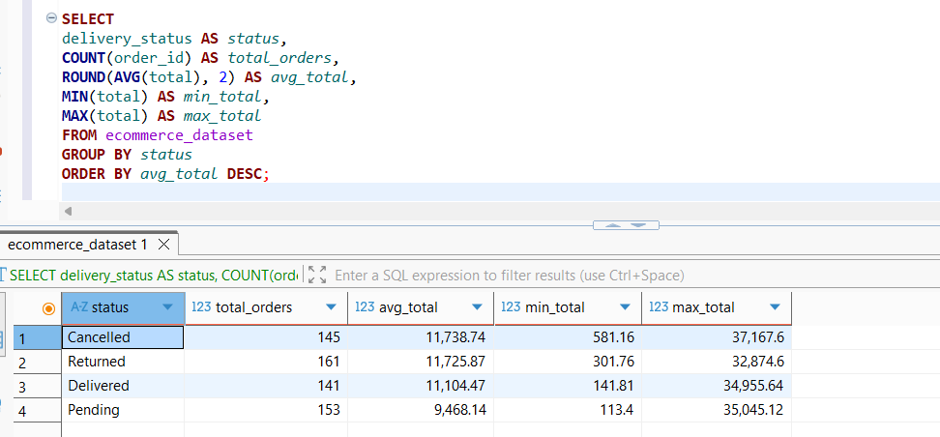
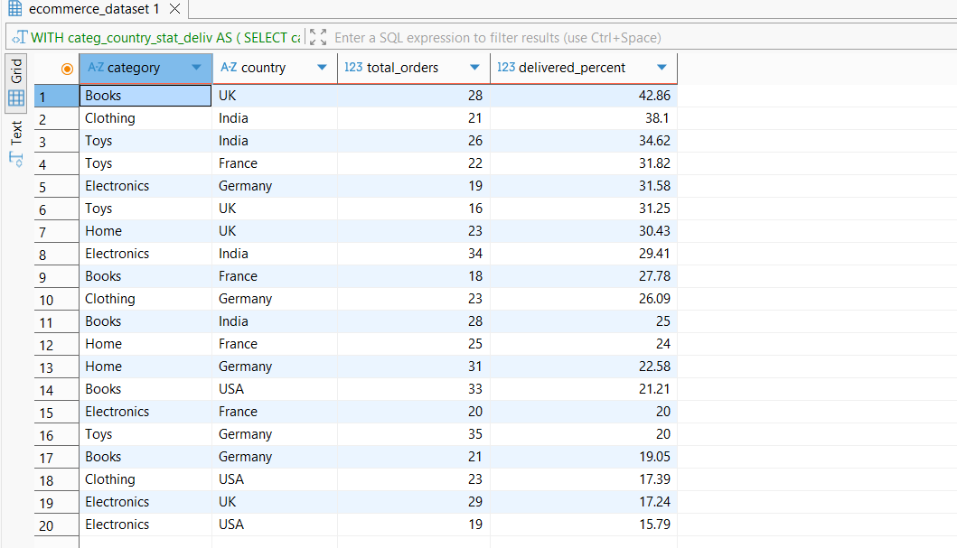
Core Business Questions:
1. Identify the primary sources of lost revenue and low success rates: Which product categories and countries exhibit the highest cancellation and return rates as a percentage of their total order volume? Which product categories achieve the highest successful delivery rates? Does customer behavior vary significantly across different countries? Is there a correlation between product price and delivery status?
2. Identify problematic devices and payment methods: Which device types and/or payment methods exhibit the highest percentage of orders with "Pending" or "Cancelled" statuses?
3. Identification of the VIP Segment.
4. The Impact of Discounts on Order Success Rates: Do cancelled or returned orders correlate with higher or lower discount levels compared to successfully delivered orders?

1.Calculation of total orders alongside cancelled and returned order counts for each Category-Country combination: 1) Exclude intermediate statuses where appropriate. 2) Calculate the percentage of returns, cancellations, and pending orders, as well as a combined failure rate. 3) Apply the ROUND function to two decimal places. 4) Handle division-by-zero errors and ensure categories with no orders are not improperly excluded. 5) Sort by the highest combined failure metric. 6) Limit the results to display the Top 20 combinations. | 6. Identify which device types and payment methods exhibit the highest percentage of orders with 'Returned', 'Cancelled', or 'Pending' statuses.
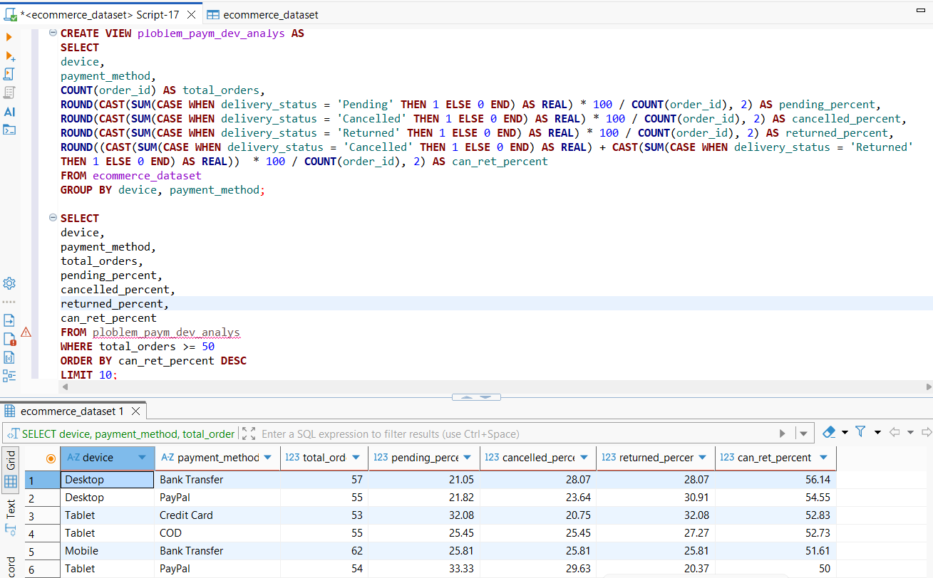
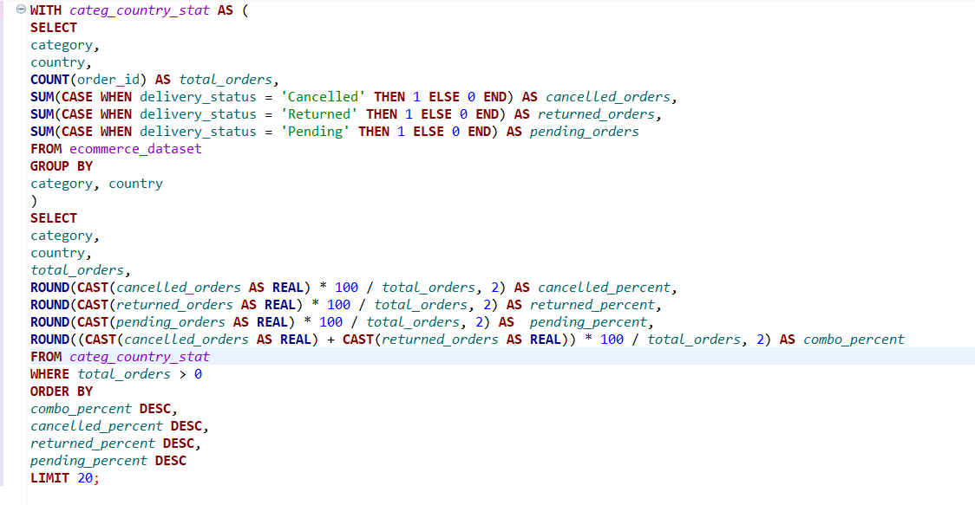

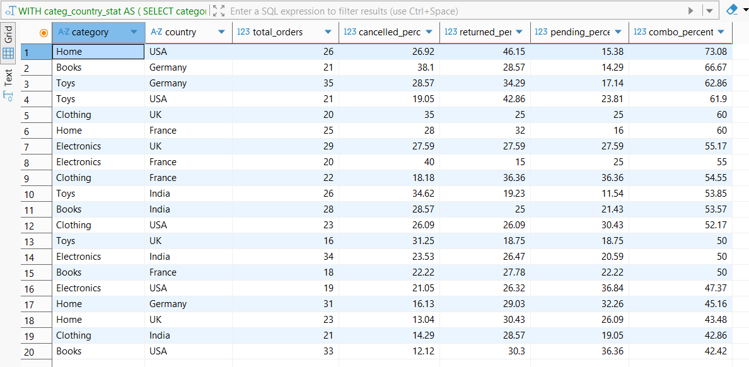

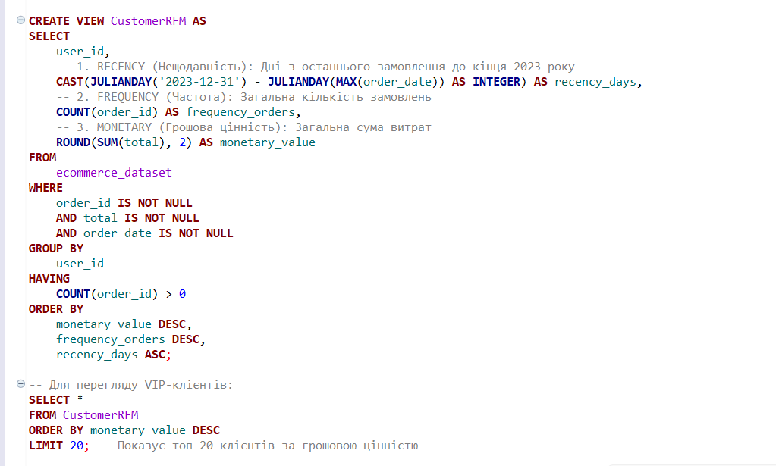
 | 7. Identification of the VIP segment.

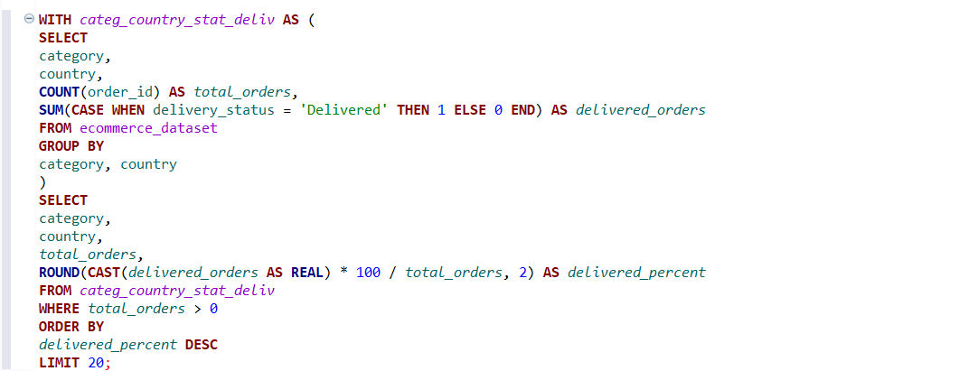
2. Identify which product categories and countries achieve the highest successful delivery rates, following the same logic established in Task 1.

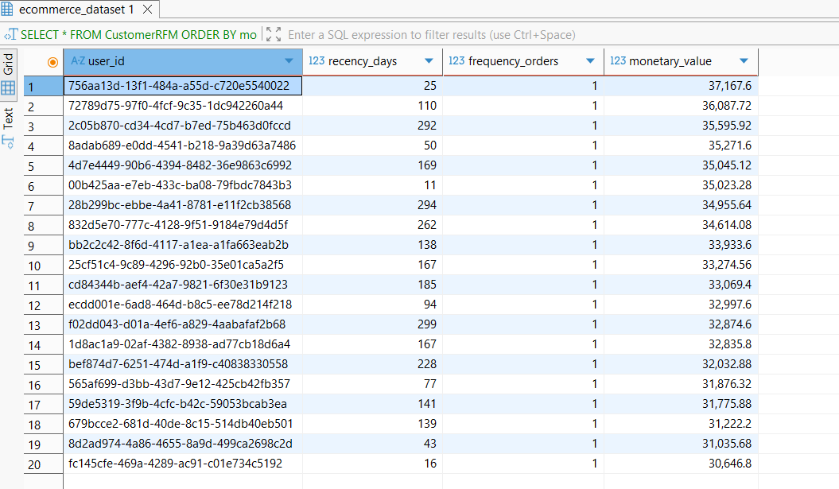

 | 8. Impact of discounts on order success rates.
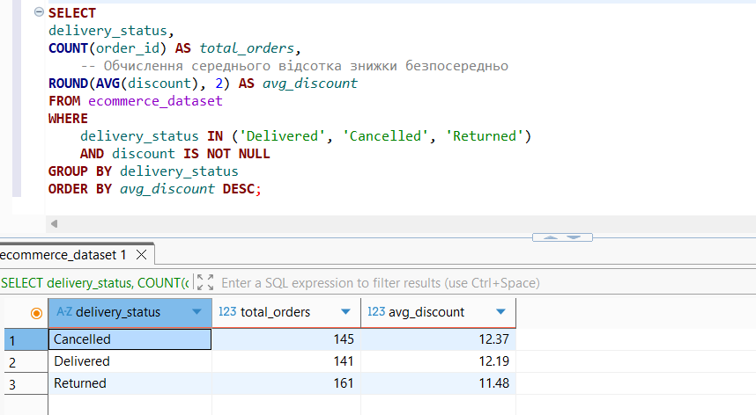

3. Average number of orders per customer by country.
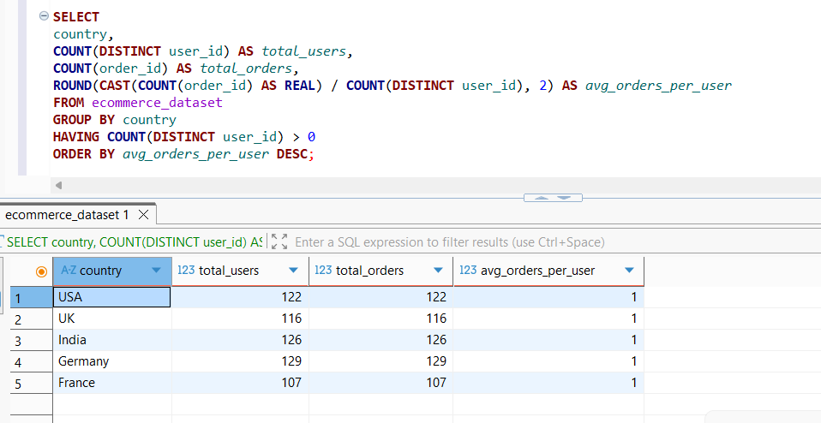

4. Average Order Value (AOV) by country.

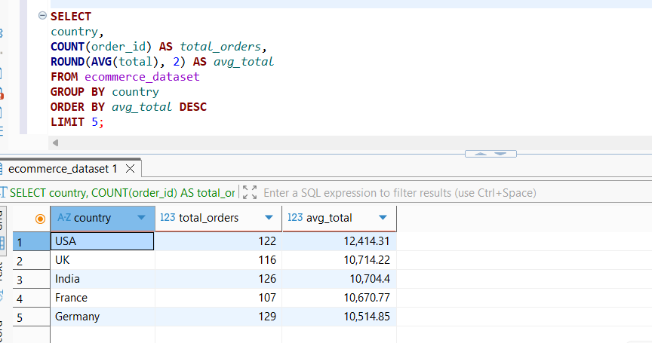

5. Query to analyze the correlation between average price and order status.

Dashboard
...
 | Pending Rate |  | Success Rate |  | Cancellation Rate |  |  |  | Return Rate
 | 0.25 |  | 0.23 |  | 0.24 |  |  |  | 0.27

 |  | Total Orders |  | AVG Purchase Price |  |  | AVG Discount Rate
 |  | 601 |  | 11,104.47 |  |  | 12.13%

SUM of total_fact by category
SUM of total_fact by country
Percentage of orders by category |  |  |  |  | Percentage of orders by country
category | SUM of total_fact |  |  |  | country | SUM of total_fact
Books | 378,260.91 |  |  |  | France | 289,493.30
Clothing | 264,714.86 |  |  |  | Germany | 276,127.21
Electronics | 278,453.74 |  |  |  | India | 394,504.32
Home | 259,030.86 |  |  |  | UK | 319,310.34
Toys | 385,269.77 |  |  |  | USA | 286,294.97
Grand Total | 1,565,730.14 |  |  |  | Grand Total | 1,565,730.14

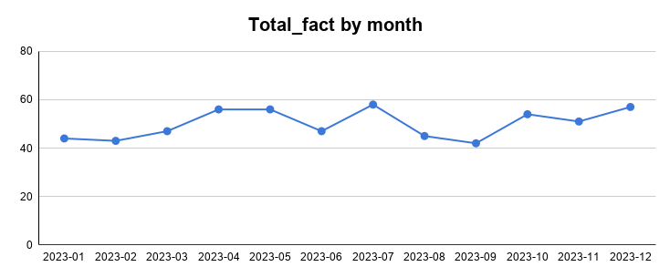
Boxplot for total_fact
Monthly orders line chart |  |  |  |  | Boxplot for order amounts
 |  |  |  |  |  | MIN | Q1 | Q3 | MAX
 |  |  |  |  | boxplot | 141.81 | 5,018.16 | 15,888.12 | 34,955.64

Order total by payment method
Correlation analysis
Order total by payment method |  |  |  |  | Correlation analysis. Impact of discount on purchase value
Paymant_method | Total
Bank Transfer | 407,067.61
COD | 366,903.96
Credit Card | 447,695.82
PayPal | 344,062.75

